Data Overview
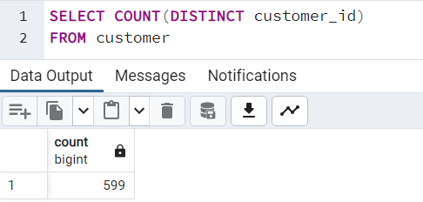
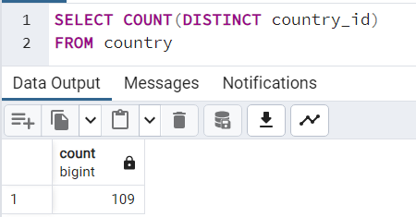
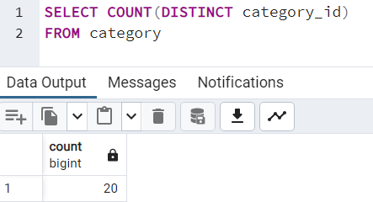
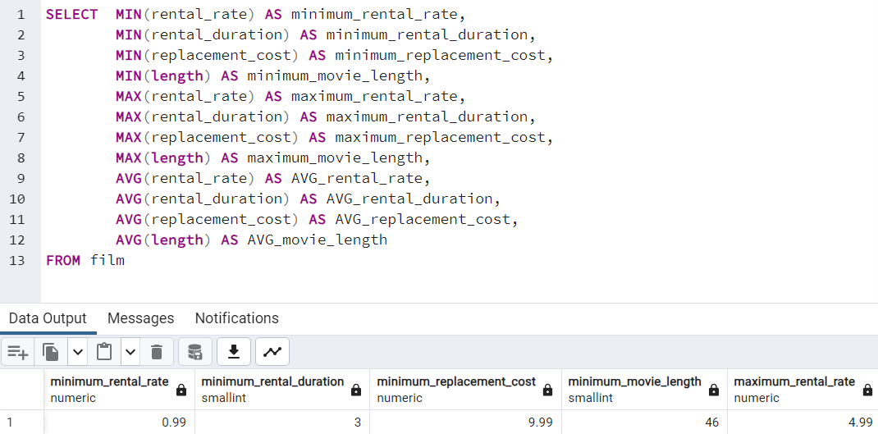
 |  |  |  |  |  |  |  |  |  |  |  | SELECT | MIN(rental_rate) AS minimum_rental_rate,
 |  |  |  |  |  |  |  |  |  |  |  |  | MIN(rental_duration) AS minimum_rental_duration,
 |  |  |  |  |  |  |  |  |  |  |  |  | MIN(replacement_cost) AS minimum_replacement_cost,
 |  |  |  |  |  |  |  |  |  |  |  |  | MIN(length) AS minimum_movie_length,
 |  |  |  |  |  |  |  |  |  |  |  |  | MAX(rental_rate) AS maximum_rental_rate,
 |  |  |  |  |  |  |  |  |  |  |  |  | MAX(rental_duration) AS maximum_rental_duration,
 |  |  |  |  |  |  |  |  |  |  |  |  | MAX(replacement_cost) AS maximum_replacement_cost,
 |  |  |  |  |  |  |  |  |  |  |  |  | MAX(length) AS maximum_movie_length,
 |  |  |  |  |  |  |  |  |  |  |  |  | AVG(rental_rate) AS AVG_rental_rate,
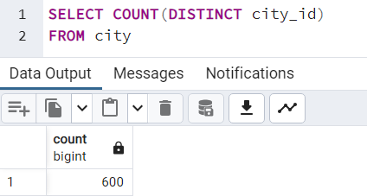
 |  |  |  |  |  |  |  |  |  |  |  |  | AVG(rental_duration) AS AVG_rental_duration,
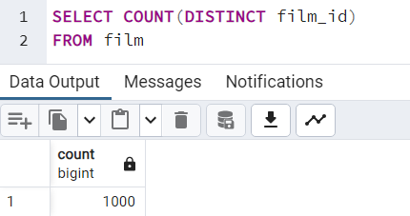
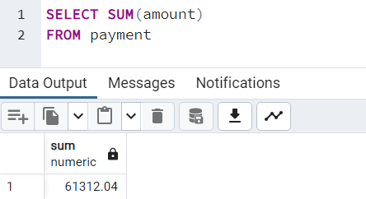
 |  |  |  |  |  |  |  |  |  |  |  |  | AVG(replacement_cost) AS AVG_replacement_cost,
 |  |  |  |  |  |  |  |  |  |  |  |  | AVG(length) AS AVG_movie_length
 |  |  |  |  |  |  |  |  |  |  |  | FROM film

minimum_rental_rate | minimum_rental_duration | minimum_replacement_cost | minimum_movie_length | maximum_rental_rate | maximum_rental_duration | maximum_replacement_cost | maximum_movie_length | avg_rental_rate | avg_rental_duration | avg_replacement_cost | avg_movie_length
0.99 | 3 | 9.99 | 46 | 4.99 | 7 | 29.99 | 185 | 2.98 | 4.985 | 19.984 | 115.272

TOP 10 movies based on revenue
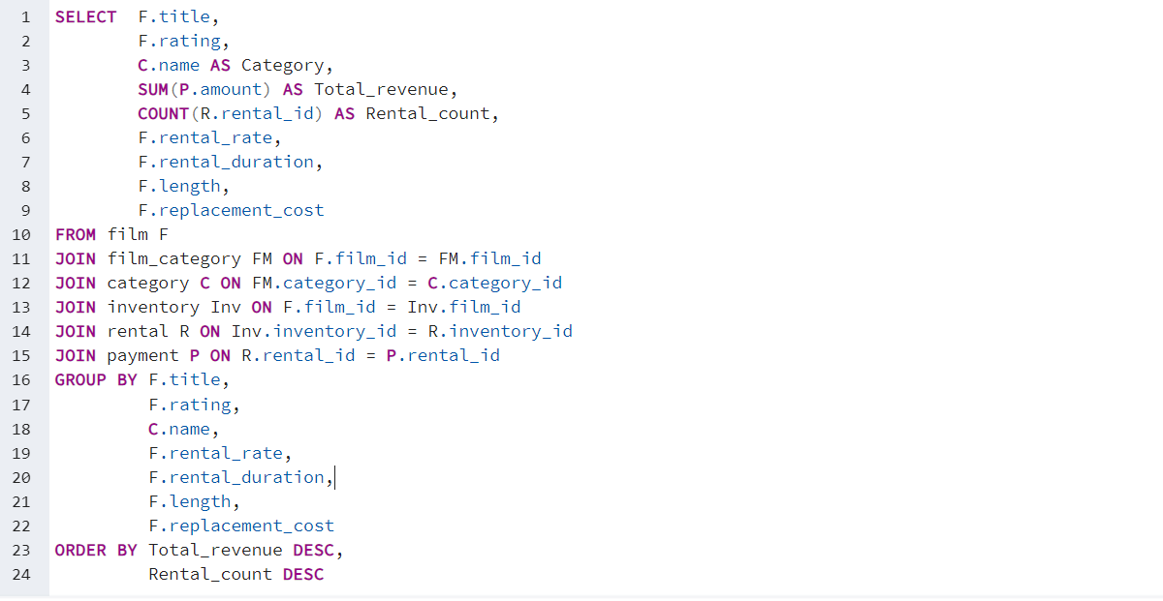
title | rating | category | total_revenue | rental_count | rental_rate | rental_duration | length | replacement_cost
Telegraph Voyage | PG | Music | 215.75 | 25 | 4.99 | 3 | 148 | 20.99
Zorro Ark | NC-17 | Comedy | 199.72 | 28 | 4.99 | 3 | 50 | 18.99
Wife Turn | NC-17 | Documentary | 198.73 | 27 | 4.99 | 3 | 183 | 27.99
Innocent Usual | PG-13 | Foreign | 191.74 | 26 | 4.99 | 3 | 178 | 26.99
Hustler Party | NC-17 | Comedy | 190.78 | 22 | 4.99 | 3 | 83 | 22.99
Saturday Lambs | G | Sports | 190.74 | 26 | 4.99 | 3 | 150 | 28.99
Titans Jerk | PG | Sci-Fi | 186.73 | 27 | 4.99 | 4 | 91 | 11.99
Harry Idaho | PG-13 | Drama | 177.73 | 27 | 4.99 | 5 | 121 | 18.99
Torque Bound | G | Drama | 169.76 | 23 | 4.99 | 3 | 179 | 27.99
Dogma Family | G | Animation | 168.72 | 28 | 4.99 | 5 | 122 | 16.99
Pelican Comforts | PG | Documentary | 165.77 | 23 | 4.99 | 4 | 48 | 17.99
Goodfellas Salute | PG | Sci-Fi | 164.75 | 25 | 4.99 | 4 | 56 | 22.99
Fool Mockingbird | PG | Action | 162.79 | 21 | 4.99 | 3 | 158 | 24.99
Apache Divine | NC-17 | Family | 160.72 | 28 | 4.99 | 5 | 92 | 16.99
Enemy Odds | NC-17 | Music | 159.75 | 25 | 4.99 | 5 | 77 | 23.99
Cat Coneheads | G | Comedy | 159.73 | 27 | 4.99 | 5 | 112 | 14.99
Scorpion Apollo | NC-17 | Drama | 158.79 | 21 | 4.99 | 3 | 137 | 23.99
Range Moonwalker | PG | Family | 158.77 | 23 | 4.99 | 3 | 147 | 25.99
Scalawag Duck | NC-17 | Music | 157.71 | 29 | 4.99 | 6 | 183 | 13.99
Sunrise League | PG-13 | Animation | 155.78 | 22 | 4.99 | 3 | 135 | 19.99
Lola Agent | PG | Horror | 154.77 | 23 | 4.99 | 4 | 85 | 24.99
Maiden Home | PG | New | 152.78 | 22 | 4.99 | 3 | 138 | 9.99
Velvet Terminator | R | Comedy | 152.77 | 23 | 4.99 | 3 | 173 | 14.99
Closer Bang | R | Comedy | 152.76 | 24 | 4.99 | 5 | 58 | 12.99
Bucket Brotherhood | PG | Travel | 150.72 | 28 | 4.99 | 7 | 133 | 27.99
Sting Personal | NC-17 | New | 149.8 | 20 | 4.99 | 3 | 93 | 9.99
Titanic Boondock | R | Animation | 149.78 | 22 | 4.99 | 3 | 104 | 18.99
Massacre Usual | R | Games | 149.75 | 25 | 4.99 | 6 | 165 | 16.99
Nightmare Chill | PG | Games | 148.79 | 21 | 4.99 | 3 | 149 | 25.99
Videotape Arsenic | NC-17 | Games | 148.76 | 24 | 4.99 | 4 | 145 | 10.99 | SELECT F.title,
American Circus | R | Action | 146.81 | 19 | 4.99 | 3 | 129 | 17.99 |  | F.rating,
Witches Panic | NC-17 | Drama | 146.75 | 25 | 4.99 | 6 | 100 | 10.99 |  | C.name AS Category,
Show Lord | PG-13 | Documentary | 145.78 | 22 | 4.99 | 3 | 167 | 24.99 |  | SUM(P.amount) AS Total_revenue,
Minds Truman | PG-13 | Action | 144.81 | 19 | 4.99 | 3 | 149 | 22.99 |  | COUNT(R.rental_id) AS Rental_count,
Working Microcosmos | R | Travel | 144.78 | 22 | 4.99 | 4 | 74 | 22.99 |  | F.rental_rate,
Wonderland Christmas | PG | Sci-Fi | 142.79 | 21 | 4.99 | 4 | 111 | 19.99 |  | F.rental_duration,
Head Stranger | R | Games | 142.79 | 21 | 4.99 | 4 | 69 | 28.99 |  | F.length,
Whisperer Giant | PG-13 | Sci-Fi | 141.8 | 20 | 4.99 | 4 | 59 | 24.99 |  | F.replacement_cost
Forrester Comancheros | NC-17 | Animation | 141.74 | 26 | 4.99 | 7 | 112 | 22.99 | FROM film F
Backlash Undefeated | PG-13 | Children | 140.84 | 16 | 4.99 | 3 | 118 | 24.99 | JOIN film_category FM ON F.film_id = FM.film_id
Dorado Notting | NC-17 | Music | 140.78 | 22 | 4.99 | 5 | 139 | 26.99 | JOIN category C ON FM.category_id = C.category_id
Boogie Amelie | R | Music | 140.74 | 25 | 4.99 | 6 | 121 | 11.99 | JOIN inventory Inv ON F.film_id = Inv.film_id
Secrets Paradise | G | Family | 139.82 | 18 | 4.99 | 3 | 109 | 24.99 | JOIN rental R ON Inv.inventory_id = R.inventory_id
Mine Titans | PG-13 | New | 138.83 | 17 | 4.99 | 3 | 166 | 12.99 | JOIN payment P ON R.rental_id = P.rental_id
Stagecoach Armageddon | R | Action | 138.77 | 23 | 4.99 | 5 | 112 | 25.99 | GROUP BY F.title,
Pity Bound | NC-17 | Drama | 138.77 | 23 | 4.99 | 5 | 60 | 19.99 |  | F.rating,
Roses Treasure | PG-13 | Sports | 137.77 | 23 | 4.99 | 5 | 162 | 23.99 |  | C.name,
Streetcar Intentions | R | Horror | 137.77 | 23 | 4.99 | 5 | 73 | 11.99 |  | F.rental_rate,
Fellowship Autumn | NC-17 | Travel | 137.76 | 24 | 4.99 | 6 | 77 | 9.99 |  | F.rental_duration,
Steel Santa | NC-17 | Classics | 136.78 | 22 | 4.99 | 4 | 143 | 15.99 |  | F.length,
Confidential Interview | NC-17 | Music | 136.76 | 24 | 4.99 | 6 | 180 | 13.99 |  | F.replacement_cost
Trip Newton | PG-13 | Action | 135.74 | 26 | 4.99 | 7 | 64 | 14.99 | ORDER BY Total_revenue DESC,
Flintstones Happiness | PG-13 | Comedy | 134.83 | 17 | 4.99 | 3 | 148 | 11.99 |  | Rental_count DESC
Garden Island | G | Sci-Fi | 134.82 | 18 | 4.99 | 3 | 80 | 21.99
Suit Walls | R | Games | 134.81 | 19 | 4.99 | 3 | 111 | 12.99
Eagles Panky | NC-17 | New | 134.81 | 19 | 4.99 | 4 | 140 | 14.99
Flamingos Connecticut | PG-13 | New | 134.78 | 22 | 4.99 | 4 | 80 | 28.99
Attraction Newton | PG-13 | New | 133.78 | 22 | 4.99 | 5 | 83 | 14.99
Trading Pinocchio | PG | Sports | 133.77 | 23 | 4.99 | 6 | 170 | 22.99
Easy Gladiator | G | Action | 132.8 | 20 | 4.99 | 5 | 148 | 12.99
Heartbreakers Bright | G | Children | 132.8 | 20 | 4.99 | 3 | 59 | 9.99
Durham Panky | R | Sports | 132.76 | 24 | 4.99 | 6 | 154 | 14.99
Moonshine Cabin | PG-13 | Games | 131.8 | 20 | 4.99 | 4 | 171 | 25.99
Drifter Commandments | PG-13 | Action | 131.78 | 22 | 4.99 | 5 | 61 | 18.99
Name Detective | PG-13 | Games | 131.78 | 22 | 4.99 | 5 | 178 | 11.99
Aladdin Calendar | NC-17 | Sports | 131.77 | 23 | 4.99 | 6 | 63 | 24.99
Lies Treatment | NC-17 | Drama | 131.76 | 24 | 4.99 | 7 | 147 | 28.99
Coneheads Smoochy | NC-17 | Drama | 131.76 | 24 | 4.99 | 7 | 112 | 12.99
Midsummer Groundhog | G | Documentary | 129.82 | 18 | 4.99 | 3 | 48 | 27.99
Details Packer | R | Games | 128.82 | 18 | 4.99 | 4 | 88 | 17.99
Queen Luke | PG | Drama | 128.79 | 21 | 4.99 | 5 | 163 | 22.99
Tourist Pelican | PG-13 | Sports | 126.81 | 19 | 4.99 | 4 | 152 | 18.99
Kiss Glory | PG-13 | Foreign | 126.79 | 21 | 4.99 | 5 | 163 | 11.99
Sabrina Midnight | PG | Children | 126.79 | 21 | 4.99 | 5 | 99 | 11.99
Liaisons Sweet | PG | Travel | 126.79 | 21 | 4.99 | 5 | 140 | 15.99
Seattle Expecations | PG-13 | Drama | 125.8 | 19 | 4.99 | 4 | 110 | 18.99
Beauty Grease | G | Drama | 125.79 | 21 | 4.99 | 5 | 175 | 28.99
Movie Shakespeare | PG | Family | 125.78 | 23 | 4.99 | 6 | 53 | 27.99
Gleaming Jawbreaker | NC-17 | Sports | 125.72 | 27 | 2.99 | 5 | 89 | 25.99
Chance Resurrection | R | Sports | 124.76 | 24 | 2.99 | 3 | 70 | 22.99
Calendar Gunfight | NC-17 | Foreign | 123.82 | 18 | 4.99 | 4 | 120 | 22.99
Heavyweights Beast | G | Documentary | 123.78 | 22 | 4.99 | 6 | 102 | 25.99
Satisfaction Confidential | G | Sports | 122.84 | 16 | 4.99 | 3 | 75 | 26.99
Yentl Idaho | R | Horror | 122.79 | 21 | 4.99 | 5 | 86 | 11.99
Coma Head | NC-17 | Travel | 122.77 | 23 | 4.99 | 6 | 109 | 10.99
Center Dinosaur | PG | Classics | 121.79 | 21 | 4.99 | 5 | 152 | 12.99
Sleeping Suspects | PG-13 | Horror | 121.78 | 22 | 4.99 | 7 | 129 | 13.99
Princess Giant | NC-17 | Documentary | 121.77 | 24 | 2.99 | 3 | 71 | 29.99
Pulp Beverly | G | Horror | 121.74 | 26 | 2.99 | 4 | 89 | 12.99
Kissing Dolls | R | Action | 120.83 | 17 | 4.99 | 3 | 141 | 9.99
Dawn Pond | PG | Games | 120.83 | 17 | 4.99 | 4 | 57 | 27.99
Something Duck | NC-17 | Drama | 120.82 | 18 | 4.99 | 4 | 180 | 17.99
Trap Guys | G | Foreign | 119.85 | 15 | 4.99 | 3 | 110 | 11.99
Pinocchio Simon | PG | Comedy | 119.82 | 18 | 4.99 | 4 | 103 | 21.99
Rage Games | R | Family | 119.81 | 19 | 4.99 | 4 | 120 | 18.99
Bingo Talented | PG-13 | Sci-Fi | 119.75 | 25 | 2.99 | 5 | 150 | 22.99
Doors President | NC-17 | Animation | 118.82 | 18 | 4.99 | 3 | 49 | 22.99
Desert Poseidon | R | Horror | 118.81 | 19 | 4.99 | 4 | 64 | 27.99
Maltese Hope | PG-13 | Games | 118.79 | 21 | 4.99 | 6 | 127 | 26.99
Suspects Quills | PG | Action | 118.73 | 27 | 2.99 | 4 | 47 | 22.99
Fidelity Devil | G | Horror | 117.82 | 18 | 4.99 | 5 | 118 | 11.99
Snatch Slipper | PG | Comedy | 117.8 | 20 | 4.99 | 6 | 110 | 15.99
High Encino | R | Horror | 117.79 | 21 | 2.99 | 3 | 84 | 23.99
Waterfront Deliverance | G | Action | 116.84 | 16 | 4.99 | 4 | 61 | 17.99
Metropolis Coma | PG-13 | Sci-Fi | 116.76 | 24 | 2.99 | 4 | 64 | 9.99
Network Peak | PG-13 | Family | 116.73 | 27 | 2.99 | 5 | 75 | 23.99
Road Roxanne | R | Documentary | 115.83 | 17 | 4.99 | 4 | 158 | 12.99
Hunchback Impossible | PG-13 | Drama | 115.83 | 17 | 4.99 | 4 | 151 | 28.99
Freddy Storm | NC-17 | Horror | 115.79 | 21 | 4.99 | 6 | 65 | 21.99
Beverly Outlaw | R | Sci-Fi | 115.79 | 21 | 2.99 | 3 | 85 | 21.99
Conversation Downhill | R | Family | 114.83 | 17 | 4.99 | 4 | 112 | 14.99
Cause Date | R | Documentary | 114.81 | 19 | 2.99 | 3 | 179 | 16.99
Whale Bikini | PG-13 | Foreign | 113.85 | 15 | 4.99 | 4 | 109 | 11.99
Lady Stage | PG | Horror | 113.84 | 16 | 4.99 | 4 | 67 | 14.99
Redemption Comforts | NC-17 | New | 113.8 | 20 | 2.99 | 3 | 179 | 20.99
Strictly Scarface | PG-13 | Comedy | 113.77 | 23 | 2.99 | 3 | 144 | 24.99
Secretary Rouge | PG | Sports | 112.82 | 18 | 4.99 | 5 | 158 | 10.99
Agent Truman | PG | Foreign | 111.81 | 19 | 2.99 | 3 | 169 | 17.99
Money Harold | PG | New | 111.8 | 20 | 2.99 | 3 | 135 | 17.99
Candles Grapes | NC-17 | Games | 111.8 | 20 | 4.99 | 6 | 135 | 15.99
Mission Zoolander | PG-13 | Animation | 110.84 | 16 | 4.99 | 3 | 164 | 26.99
Interview Liaisons | R | New | 110.82 | 18 | 4.99 | 4 | 59 | 17.99
Prejudice Oleander | PG-13 | Classics | 110.81 | 19 | 4.99 | 6 | 98 | 15.99
Ridgemont Submarine | PG-13 | New | 110.72 | 28 | 0.99 | 3 | 46 | 28.99
Teen Apollo | G | Travel | 109.86 | 14 | 4.99 | 3 | 74 | 25.99
Shawshank Bubble | PG | Travel | 109.81 | 19 | 4.99 | 6 | 80 | 20.99
Arachnophobia Rollercoaster | PG-13 | Horror | 109.77 | 23 | 2.99 | 4 | 147 | 24.99
Horn Working | PG | Animation | 109.77 | 23 | 2.99 | 4 | 95 | 23.99
Butterfly Chocolat | G | New | 108.74 | 26 | 0.99 | 3 | 89 | 17.99
Command Darling | PG-13 | Foreign | 107.84 | 16 | 4.99 | 5 | 120 | 28.99
Ghost Groundhog | G | Children | 107.81 | 19 | 4.99 | 6 | 85 | 18.99
Philadelphia Wife | PG-13 | Sports | 107.8 | 21 | 4.99 | 7 | 137 | 16.99
Scarface Bang | PG-13 | Children | 106.84 | 16 | 4.99 | 3 | 102 | 11.99
Spice Sorority | NC-17 | Drama | 106.81 | 19 | 4.99 | 5 | 141 | 22.99
Brooklyn Desert | R | Foreign | 106.81 | 19 | 4.99 | 7 | 161 | 21.99
Falcon Volume | PG-13 | Animation | 106.81 | 18 | 4.99 | 5 | 102 | 21.99
Virtual Spoilers | NC-17 | Family | 105.87 | 13 | 4.99 | 3 | 144 | 14.99
Galaxy Sweethearts | R | Classics | 105.84 | 16 | 4.99 | 4 | 128 | 13.99
League Hellfighters | PG-13 | Classics | 105.83 | 17 | 4.99 | 5 | 110 | 25.99
Chasing Fight | PG | Family | 105.82 | 19 | 4.99 | 7 | 114 | 21.99
Requiem Tycoon | R | Classics | 105.82 | 18 | 4.99 | 6 | 167 | 25.99
Secret Groundhog | PG | Documentary | 105.81 | 19 | 4.99 | 6 | 90 | 11.99
Driving Polish | NC-17 | Music | 105.81 | 19 | 4.99 | 6 | 175 | 21.99
Reign Gentlemen | PG-13 | Sci-Fi | 105.81 | 19 | 2.99 | 3 | 82 | 29.99
Clueless Bucket | R | Action | 105.77 | 23 | 2.99 | 4 | 95 | 13.99
Strangers Graffiti | R | Horror | 104.86 | 14 | 4.99 | 4 | 119 | 22.99
Breakfast Goldfinger | G | New | 104.84 | 16 | 4.99 | 5 | 123 | 18.99
Jerk Paycheck | NC-17 | Classics | 104.81 | 19 | 2.99 | 3 | 172 | 13.99
Wash Heavenly | R | Foreign | 104.8 | 20 | 4.99 | 7 | 161 | 22.99
Truman Crazy | G | Action | 104.8 | 20 | 4.99 | 7 | 92 | 9.99
Arizona Bang | PG | Classics | 104.79 | 21 | 2.99 | 3 | 121 | 28.99
Hanky October | NC-17 | Sci-Fi | 104.77 | 23 | 2.99 | 5 | 107 | 26.99
Tycoon Gathering | G | Games | 103.88 | 12 | 4.99 | 3 | 82 | 17.99
Sleepless Monsoon | G | Animation | 103.83 | 17 | 4.99 | 5 | 64 | 12.99
Million Ace | PG-13 | Classics | 103.83 | 17 | 4.99 | 4 | 142 | 16.99
Open African | PG | Sci-Fi | 103.81 | 19 | 4.99 | 7 | 131 | 16.99
Angels Life | G | New | 103.8 | 20 | 2.99 | 3 | 74 | 15.99
Cupboard Sinners | R | Documentary | 103.78 | 22 | 2.99 | 4 | 56 | 29.99
Greatest North | NC-17 | Music | 103.73 | 27 | 2.99 | 5 | 93 | 24.99
Birds Perdition | G | New | 102.83 | 17 | 4.99 | 5 | 61 | 15.99
Undefeated Dalmations | PG-13 | Horror | 102.81 | 19 | 4.99 | 7 | 107 | 22.99
South Wait | R | Action | 102.79 | 21 | 2.99 | 4 | 143 | 21.99
Forward Temple | NC-17 | Games | 102.74 | 26 | 2.99 | 6 | 90 | 25.99
Timberland Sky | G | Classics | 102.74 | 26 | 0.99 | 3 | 69 | 13.99
Attacks Hate | PG-13 | Sci-Fi | 101.84 | 16 | 4.99 | 5 | 113 | 21.99
Paycheck Wait | PG-13 | Drama | 101.84 | 16 | 4.99 | 4 | 145 | 27.99
Expecations Natural | PG-13 | Travel | 101.83 | 17 | 4.99 | 5 | 138 | 26.99
Sweden Shining | PG | Comedy | 101.83 | 16 | 4.99 | 6 | 176 | 19.99
Samurai Lion | G | New | 101.76 | 24 | 2.99 | 5 | 110 | 21.99
Tomorrow Hustler | R | Classics | 101.76 | 24 | 2.99 | 3 | 142 | 21.99
Poseidon Forever | PG-13 | Sports | 100.83 | 17 | 4.99 | 6 | 159 | 29.99
Giant Troopers | R | Children | 100.74 | 26 | 2.99 | 5 | 102 | 10.99
Invasion Cyclone | PG | Children | 100.74 | 26 | 2.99 | 5 | 97 | 12.99
Confused Candles | PG-13 | Family | 99.84 | 16 | 2.99 | 3 | 122 | 27.99
Stepmom Dream | NC-17 | Foreign | 99.81 | 19 | 4.99 | 7 | 48 | 9.99
Knock Warlock | PG-13 | Comedy | 99.79 | 21 | 2.99 | 4 | 71 | 21.99
English Bulworth | PG-13 | Sci-Fi | 99.74 | 26 | 0.99 | 3 | 51 | 18.99
Hall Cassidy | NC-17 | Children | 98.84 | 16 | 4.99 | 5 | 51 | 13.99
Egg Igby | PG | Documentary | 98.81 | 19 | 2.99 | 4 | 67 | 20.99
Brotherhood Blanket | R | Documentary | 98.77 | 23 | 0.99 | 3 | 73 | 26.99
Thief Pelican | PG-13 | Animation | 97.84 | 16 | 4.99 | 5 | 135 | 28.99
Jason Trap | NC-17 | Family | 97.77 | 23 | 2.99 | 5 | 130 | 9.99
Rocketeer Mother | PG-13 | Foreign | 97.72 | 28 | 0.99 | 3 | 178 | 27.99
Grit Clockwork | PG | Games | 97.72 | 28 | 0.99 | 3 | 137 | 21.99
Shock Cabin | PG-13 | Foreign | 96.71 | 29 | 2.99 | 7 | 79 | 15.99
Jericho Mulan | NC-17 | Games | 95.84 | 16 | 2.99 | 3 | 171 | 29.99
Inch Jet | NC-17 | Animation | 95.82 | 18 | 4.99 | 6 | 167 | 18.99
Salute Apollo | R | New | 95.8 | 20 | 2.99 | 4 | 73 | 29.99
Gangs Pride | PG-13 | Animation | 95.78 | 22 | 2.99 | 4 | 185 | 27.99
Hyde Doctor | G | Classics | 95.76 | 23 | 2.99 | 5 | 100 | 11.99
Bilko Anonymous | PG-13 | Family | 94.88 | 12 | 4.99 | 3 | 100 | 25.99
Gold River | R | Comedy | 94.86 | 14 | 4.99 | 4 | 154 | 21.99
Mermaid Insects | NC-17 | Sports | 94.85 | 15 | 4.99 | 5 | 104 | 20.99
French Holiday | PG | Documentary | 94.84 | 16 | 4.99 | 5 | 99 | 22.99
Gorgeous Bingo | R | Children | 94.83 | 17 | 2.99 | 4 | 108 | 26.99
Peak Forever | PG | Sports | 94.82 | 18 | 4.99 | 7 | 80 | 25.99
Fargo Gandhi | G | Children | 94.79 | 21 | 2.99 | 3 | 130 | 28.99
Patton Interview | PG | Horror | 94.79 | 21 | 2.99 | 4 | 175 | 22.99
Fish Opus | R | Sci-Fi | 94.78 | 22 | 2.99 | 4 | 125 | 22.99
Expendable Stallion | PG | Documentary | 94.74 | 26 | 0.99 | 3 | 97 | 14.99
Spy Mile | PG-13 | Games | 94.73 | 27 | 2.99 | 6 | 112 | 13.99
Day Unfaithful | G | New | 93.88 | 12 | 4.99 | 3 | 113 | 16.99
Pickup Driving | G | Sports | 93.85 | 15 | 2.99 | 3 | 77 | 23.99
Sugar Wonka | PG | Animation | 93.85 | 15 | 4.99 | 3 | 114 | 20.99
Bear Graceland | R | Children | 93.81 | 19 | 2.99 | 4 | 160 | 20.99
Camelot Vacation | NC-17 | Sci-Fi | 93.76 | 24 | 0.99 | 3 | 61 | 26.99
Sweethearts Suspects | G | Children | 93.73 | 27 | 0.99 | 3 | 108 | 13.99
West Lion | G | Drama | 92.86 | 14 | 4.99 | 4 | 159 | 29.99
Hanging Deep | G | Drama | 92.85 | 15 | 4.99 | 5 | 62 | 18.99
Core Suit | PG-13 | Classics | 92.84 | 16 | 2.99 | 3 | 92 | 24.99
Jet Neighbors | R | Foreign | 92.83 | 17 | 4.99 | 7 | 59 | 14.99
Hellfighters Sierra | PG | Foreign | 92.81 | 19 | 2.99 | 3 | 75 | 23.99
Fatal Haunted | PG | New | 92.77 | 23 | 2.99 | 6 | 91 | 24.99
Silverado Goldfinger | PG | Sci-Fi | 91.88 | 12 | 4.99 | 4 | 74 | 11.99
Destiny Saturday | G | New | 91.85 | 15 | 4.99 | 4 | 56 | 20.99
Balloon Homeward | NC-17 | Music | 91.78 | 22 | 2.99 | 5 | 75 | 10.99
Dude Blindness | G | Sports | 90.87 | 13 | 4.99 | 3 | 132 | 9.99
Wizard Coldblooded | PG | Music | 90.85 | 15 | 4.99 | 4 | 75 | 12.99
Ice Crossing | R | Games | 90.78 | 22 | 2.99 | 5 | 131 | 28.99
Pure Runner | NC-17 | Comedy | 89.85 | 15 | 2.99 | 3 | 121 | 25.99
Coldblooded Darling | G | Sci-Fi | 89.84 | 16 | 4.99 | 7 | 70 | 27.99
Igby Maker | NC-17 | Travel | 89.83 | 17 | 4.99 | 7 | 160 | 12.99
Vacation Boondock | R | Sci-Fi | 89.81 | 19 | 2.99 | 4 | 145 | 23.99
Memento Zoolander | NC-17 | Comedy | 88.87 | 13 | 4.99 | 4 | 77 | 11.99
Rocky War | PG-13 | Drama | 88.87 | 13 | 4.99 | 4 | 145 | 17.99
Candidate Perdition | R | Classics | 88.82 | 17 | 2.99 | 4 | 70 | 10.99
Metal Armageddon | PG-13 | Documentary | 88.79 | 21 | 2.99 | 6 | 161 | 26.99
Idols Snatchers | NC-17 | Children | 88.76 | 24 | 2.99 | 5 | 84 | 29.99
Telemark Heartbreakers | PG-13 | Animation | 88.76 | 24 | 2.99 | 6 | 152 | 9.99
Behavior Runaway | PG | Horror | 87.89 | 11 | 4.99 | 3 | 100 | 20.99
Flash Wars | NC-17 | New | 87.88 | 12 | 4.99 | 3 | 123 | 21.99
Bright Encounters | PG-13 | Drama | 87.88 | 12 | 4.99 | 4 | 73 | 12.99
Hysterical Grail | PG | Sports | 87.85 | 15 | 4.99 | 5 | 150 | 19.99
Darn Forrester | G | Action | 87.83 | 17 | 4.99 | 7 | 185 | 14.99
Basic Easy | PG-13 | Travel | 87.8 | 20 | 2.99 | 4 | 90 | 18.99
Color Philadelphia | G | Classics | 87.78 | 22 | 2.99 | 6 | 149 | 19.99
Oz Liaisons | R | Animation | 87.78 | 22 | 2.99 | 4 | 85 | 14.99
Panky Submarine | G | Games | 86.88 | 12 | 4.99 | 4 | 93 | 19.99
Airport Pollock | R | Horror | 86.85 | 15 | 4.99 | 6 | 54 | 15.99
Slacker Liaisons | R | Drama | 86.84 | 16 | 4.99 | 7 | 179 | 29.99
Virgin Daisy | PG-13 | Drama | 86.84 | 16 | 4.99 | 6 | 179 | 29.99
Seabiscuit Punk | NC-17 | Sports | 86.76 | 24 | 2.99 | 6 | 112 | 28.99
Muscle Bright | G | Travel | 86.73 | 27 | 2.99 | 7 | 185 | 23.99
Juggler Hardly | PG-13 | Animation | 86.71 | 29 | 0.99 | 4 | 54 | 14.99
Daisy Menagerie | G | Sci-Fi | 85.86 | 14 | 4.99 | 5 | 84 | 9.99
Steers Armageddon | PG | Sports | 85.85 | 15 | 4.99 | 6 | 140 | 16.99
Robbers Joon | PG-13 | Children | 85.74 | 26 | 2.99 | 7 | 102 | 26.99
Conquerer Nuts | G | Drama | 84.87 | 13 | 4.99 | 4 | 173 | 14.99
Chicago North | PG-13 | Games | 84.85 | 15 | 4.99 | 6 | 185 | 11.99
Sea Virgin | PG | Drama | 84.81 | 19 | 2.99 | 4 | 80 | 24.99
Alien Center | NC-17 | Foreign | 84.8 | 20 | 2.99 | 5 | 46 | 10.99
Barbarella Streetcar | G | Sci-Fi | 84.78 | 22 | 2.99 | 6 | 65 | 27.99
Married Go | G | Sci-Fi | 84.74 | 26 | 2.99 | 7 | 114 | 22.99
Pittsburgh Hunchback | PG-13 | Family | 83.89 | 11 | 4.99 | 4 | 134 | 17.99
Loser Hustler | PG | Sports | 83.86 | 14 | 4.99 | 5 | 80 | 28.99
Panther Reds | NC-17 | Sci-Fi | 83.86 | 14 | 4.99 | 5 | 109 | 22.99
Sagebrush Clueless | G | Documentary | 83.86 | 14 | 2.99 | 4 | 106 | 28.99
Dying Maker | PG | Comedy | 83.85 | 15 | 4.99 | 5 | 168 | 28.99
Forrest Sons | R | Action | 83.83 | 17 | 2.99 | 4 | 63 | 15.99
Star Operation | PG | Sports | 83.8 | 20 | 2.99 | 5 | 181 | 9.99
Affair Prejudice | G | Horror | 83.79 | 21 | 2.99 | 5 | 117 | 26.99
Oscar Gold | PG | Animation | 83.75 | 25 | 2.99 | 7 | 115 | 29.99
Airplane Sierra | PG-13 | Comedy | 82.85 | 15 | 4.99 | 6 | 62 | 28.99
Musketeers Wait | PG | Classics | 82.85 | 15 | 4.99 | 7 | 73 | 17.99
Holiday Games | PG-13 | Foreign | 82.85 | 15 | 4.99 | 7 | 78 | 10.99
Casablanca Super | G | Travel | 82.84 | 16 | 4.99 | 6 | 85 | 22.99
Hurricane Affair | PG | Comedy | 82.77 | 23 | 2.99 | 6 | 49 | 11.99
Paths Control | PG | Drama | 81.9 | 10 | 4.99 | 3 | 118 | 9.99
Hanover Galaxy | NC-17 | Music | 81.86 | 14 | 4.99 | 5 | 47 | 21.99
Campus Remember | R | Action | 81.83 | 17 | 2.99 | 5 | 167 | 27.99
Rush Goodfellas | PG | Family | 81.72 | 28 | 0.99 | 3 | 48 | 20.99
Dragonfly Strangers | NC-17 | New | 80.86 | 14 | 4.99 | 6 | 133 | 19.99
Peach Innocent | PG-13 | Sports | 80.86 | 13 | 2.99 | 3 | 160 | 20.99
Human Graffiti | NC-17 | Games | 80.85 | 15 | 2.99 | 3 | 68 | 22.99
Vanishing Rocky | NC-17 | Music | 80.83 | 17 | 2.99 | 3 | 123 | 21.99
Orient Closer | R | Drama | 80.83 | 17 | 2.99 | 3 | 118 | 22.99
Wardrobe Phantom | G | Drama | 80.77 | 23 | 2.99 | 6 | 178 | 19.99
Operation Operation | G | Comedy | 80.75 | 25 | 2.99 | 7 | 156 | 23.99
Edge Kissing | NC-17 | Drama | 79.87 | 13 | 4.99 | 5 | 153 | 9.99
Betrayed Rear | NC-17 | Children | 79.87 | 13 | 4.99 | 5 | 122 | 26.99
Bikini Borrowers | NC-17 | Animation | 79.86 | 14 | 4.99 | 7 | 142 | 26.99
Carol Texas | PG | Animation | 79.83 | 17 | 2.99 | 4 | 151 | 15.99
Paradise Sabrina | PG-13 | Comedy | 79.82 | 18 | 2.99 | 5 | 48 | 12.99
Strangelove Desire | NC-17 | Children | 79.78 | 22 | 0.99 | 4 | 103 | 27.99
None Spiking | NC-17 | Sci-Fi | 79.75 | 25 | 0.99 | 3 | 83 | 18.99
Super Wyoming | PG | Family | 78.88 | 12 | 4.99 | 5 | 58 | 10.99
Rules Human | R | Horror | 78.87 | 13 | 4.99 | 6 | 153 | 19.99
Submarine Bed | R | Comedy | 78.87 | 13 | 4.99 | 5 | 127 | 21.99
Groundhog Uncut | PG-13 | Comedy | 78.86 | 14 | 4.99 | 6 | 139 | 26.99
Devil Desire | R | Action | 78.86 | 14 | 4.99 | 6 | 87 | 12.99
Jekyll Frogmen | PG | New | 78.84 | 16 | 2.99 | 4 | 58 | 22.99
Intentions Empire | PG-13 | Animation | 78.83 | 17 | 2.99 | 3 | 107 | 13.99
Murder Antitrust | PG | Children | 78.79 | 21 | 2.99 | 6 | 166 | 11.99
Blackout Private | PG | Animation | 78.77 | 23 | 2.99 | 7 | 85 | 12.99
Deer Virginian | NC-17 | Music | 78.76 | 25 | 2.99 | 7 | 106 | 13.99
Contact Anonymous | PG-13 | Travel | 78.76 | 24 | 2.99 | 7 | 166 | 10.99
Tracy Cider | G | Animation | 78.76 | 24 | 0.99 | 3 | 142 | 29.99
Raging Airplane | R | Sci-Fi | 77.88 | 12 | 4.99 | 4 | 154 | 18.99
Quills Bull | R | Documentary | 77.87 | 13 | 4.99 | 4 | 112 | 19.99
Creepers Kane | NC-17 | Classics | 77.87 | 13 | 4.99 | 5 | 172 | 23.99
Northwest Polish | PG | Sports | 77.82 | 18 | 2.99 | 5 | 172 | 24.99
Flying Hook | NC-17 | Animation | 77.81 | 19 | 2.99 | 6 | 69 | 18.99
Quest Mussolini | R | Action | 77.8 | 20 | 2.99 | 5 | 177 | 29.99
Harper Dying | G | Animation | 77.8 | 20 | 0.99 | 3 | 52 | 15.99
Clash Freddy | G | Animation | 77.77 | 23 | 2.99 | 6 | 81 | 12.99
Disturbing Scarface | R | Sci-Fi | 77.77 | 23 | 2.99 | 6 | 94 | 27.99
Horror Reign | R | Travel | 77.75 | 25 | 0.99 | 3 | 139 | 25.99
Lose Inch | R | Foreign | 77.74 | 26 | 0.99 | 3 | 137 | 18.99
Model Fish | NC-17 | Children | 76.87 | 13 | 4.99 | 4 | 175 | 11.99
Tuxedo Mile | R | Sports | 76.87 | 13 | 2.99 | 3 | 152 | 24.99
Lawless Vision | G | Animation | 76.86 | 15 | 4.99 | 6 | 181 | 29.99
Wanda Chamber | PG-13 | Games | 76.86 | 14 | 4.99 | 7 | 107 | 23.99
Image Princess | PG-13 | Sports | 76.86 | 14 | 2.99 | 3 | 178 | 17.99
Grinch Massage | R | Games | 76.86 | 14 | 4.99 | 7 | 150 | 25.99
Baked Cleopatra | G | Family | 76.85 | 15 | 2.99 | 3 | 182 | 20.99
Sleepy Japanese | PG | New | 76.83 | 18 | 2.99 | 4 | 137 | 25.99
National Story | NC-17 | Documentary | 76.83 | 17 | 2.99 | 4 | 92 | 19.99
Unbreakable Karate | G | New | 76.81 | 19 | 0.99 | 3 | 62 | 16.99
Shakespeare Saddle | PG-13 | Sports | 76.8 | 20 | 2.99 | 6 | 60 | 26.99
Badman Dawn | R | Sci-Fi | 76.79 | 21 | 2.99 | 6 | 162 | 22.99
Island Exorcist | NC-17 | Classics | 76.77 | 23 | 2.99 | 7 | 84 | 23.99
Connecticut Tramp | R | Sci-Fi | 75.89 | 11 | 4.99 | 4 | 172 | 20.99
Moonwalker Fool | G | Games | 75.89 | 11 | 4.99 | 5 | 184 | 12.99
Deep Crusade | PG-13 | Documentary | 75.87 | 13 | 4.99 | 6 | 51 | 20.99
Holes Brannigan | PG | Sports | 75.86 | 15 | 4.99 | 7 | 128 | 27.99
Searchers Wait | NC-17 | Comedy | 75.86 | 14 | 2.99 | 3 | 182 | 22.99
Sons Interview | NC-17 | Animation | 75.85 | 14 | 2.99 | 3 | 184 | 11.99
Blues Instinct | G | Family | 75.82 | 18 | 2.99 | 5 | 50 | 18.99
Trojan Tomorrow | PG | Sci-Fi | 75.82 | 17 | 2.99 | 3 | 52 | 9.99
Atlantis Cause | G | Family | 75.79 | 21 | 2.99 | 6 | 170 | 15.99
Malkovich Pet | G | Classics | 75.77 | 23 | 2.99 | 6 | 159 | 22.99
Autumn Crow | G | Games | 74.9 | 10 | 4.99 | 3 | 108 | 13.99
Birch Antitrust | PG | Music | 74.89 | 11 | 4.99 | 4 | 162 | 18.99
Impossible Prejudice | NC-17 | Foreign | 74.86 | 14 | 4.99 | 7 | 103 | 11.99
Lust Lock | G | Action | 74.82 | 15 | 2.99 | 3 | 52 | 28.99
Flatliners Killer | G | Sports | 74.81 | 19 | 2.99 | 5 | 100 | 29.99
Crossroads Casualties | G | Animation | 74.8 | 20 | 2.99 | 5 | 153 | 20.99
Escape Metropolis | R | Travel | 74.77 | 23 | 2.99 | 7 | 167 | 20.99
Frost Head | PG | Classics | 74.72 | 28 | 0.99 | 5 | 82 | 13.99
Thin Sagebrush | PG-13 | Documentary | 73.89 | 11 | 4.99 | 5 | 53 | 9.99
California Birds | NC-17 | Sports | 73.89 | 11 | 4.99 | 4 | 75 | 19.99
Pluto Oleander | R | New | 73.87 | 13 | 4.99 | 5 | 84 | 9.99
Words Hunter | PG | Music | 73.86 | 14 | 2.99 | 3 | 116 | 13.99
Outlaw Hanky | PG-13 | Travel | 73.86 | 14 | 4.99 | 7 | 148 | 17.99
Wait Cider | PG-13 | Animation | 73.82 | 18 | 0.99 | 3 | 112 | 9.99
Fantasia Park | G | Games | 73.81 | 19 | 2.99 | 5 | 131 | 29.99
Dream Pickup | PG | Action | 73.8 | 20 | 2.99 | 6 | 135 | 18.99
Half Outfield | PG-13 | Family | 73.79 | 22 | 2.99 | 6 | 146 | 25.99
Darko Dorado | NC-17 | Action | 72.9 | 10 | 4.99 | 3 | 130 | 13.99
Hope Tootsie | NC-17 | Classics | 72.83 | 17 | 2.99 | 4 | 139 | 22.99
Berets Agent | PG-13 | Action | 72.8 | 19 | 2.99 | 5 | 77 | 24.99
Downhill Enough | G | Comedy | 72.79 | 21 | 0.99 | 3 | 47 | 19.99
Cincinatti Whisperer | NC-17 | Sci-Fi | 71.89 | 11 | 4.99 | 5 | 143 | 26.99
Alabama Devil | PG-13 | Horror | 71.88 | 12 | 2.99 | 3 | 114 | 21.99
Blindness Gun | PG-13 | Sci-Fi | 71.87 | 13 | 4.99 | 6 | 103 | 29.99
Jacket Frisco | PG-13 | Drama | 71.84 | 16 | 2.99 | 5 | 181 | 16.99
Weekend Personal | R | Sci-Fi | 71.83 | 17 | 2.99 | 5 | 134 | 26.99
Wedding Apollo | PG | Documentary | 71.79 | 21 | 0.99 | 3 | 70 | 14.99
Jeepers Wedding | R | Classics | 70.87 | 13 | 2.99 | 3 | 84 | 29.99
Confessions Maguire | PG-13 | Drama | 70.87 | 13 | 4.99 | 7 | 65 | 25.99
Saturn Name | R | Comedy | 70.87 | 13 | 4.99 | 7 | 182 | 18.99
Ferris Mother | PG | Comedy | 70.85 | 15 | 2.99 | 3 | 142 | 13.99
Remember Diary | R | Family | 70.83 | 17 | 2.99 | 5 | 110 | 15.99
Trouble Date | PG | Travel | 70.81 | 20 | 2.99 | 6 | 61 | 13.99
Gentlemen Stage | NC-17 | Foreign | 70.8 | 20 | 2.99 | 6 | 125 | 22.99
Others Soup | PG | Travel | 70.8 | 20 | 2.99 | 7 | 118 | 18.99
Amistad Midsummer | G | New | 70.79 | 21 | 2.99 | 6 | 85 | 10.99
Mallrats United | PG | Comedy | 70.78 | 22 | 0.99 | 4 | 133 | 25.99
Ties Hunger | R | Children | 69.91 | 9 | 4.99 | 3 | 111 | 28.99
Daughter Madigan | PG-13 | Children | 69.91 | 9 | 4.99 | 3 | 59 | 13.99
Beast Hunchback | R | Classics | 69.9 | 10 | 4.99 | 3 | 89 | 22.99
Vampire Whale | NC-17 | New | 69.89 | 11 | 4.99 | 4 | 126 | 11.99
Comforts Rush | NC-17 | Travel | 69.85 | 15 | 2.99 | 3 | 76 | 19.99
Instinct Airport | PG | Sports | 69.83 | 17 | 2.99 | 4 | 116 | 21.99
Werewolf Lola | G | Action | 68.88 | 12 | 4.99 | 6 | 79 | 19.99
Flight Lies | R | Sports | 68.88 | 12 | 4.99 | 7 | 179 | 22.99
Idaho Love | PG-13 | New | 68.85 | 15 | 2.99 | 3 | 172 | 25.99
Eyes Driving | PG-13 | Sci-Fi | 68.84 | 16 | 2.99 | 4 | 172 | 13.99
Bringing Hysterical | PG | Comedy | 68.81 | 19 | 2.99 | 7 | 136 | 14.99
Hobbit Alien | PG-13 | Drama | 68.74 | 26 | 0.99 | 5 | 157 | 27.99
Amelie Hellfighters | R | Music | 67.9 | 10 | 4.99 | 4 | 79 | 23.99
Liberty Magnificent | G | Sports | 67.89 | 11 | 2.99 | 3 | 138 | 27.99
Dinosaur Secretary | R | Family | 67.81 | 19 | 2.99 | 7 | 63 | 27.99
Goldfinger Sensibility | G | Drama | 67.79 | 21 | 0.99 | 3 | 93 | 29.99
Jumping Wrath | NC-17 | Children | 67.79 | 21 | 0.99 | 4 | 74 | 18.99
Graffiti Love | PG | Sci-Fi | 67.74 | 26 | 0.99 | 3 | 117 | 29.99
Rugrats Shakespeare | PG-13 | Action | 67.72 | 28 | 0.99 | 4 | 109 | 16.99
Caribbean Liberty | NC-17 | Sports | 66.92 | 8 | 4.99 | 3 | 92 | 16.99
Twisted Pirates | PG | Children | 66.89 | 11 | 4.99 | 4 | 152 | 23.99
Dangerous Uptown | PG | Foreign | 66.88 | 12 | 4.99 | 7 | 121 | 26.99
Past Suicides | PG-13 | Foreign | 66.88 | 12 | 4.99 | 5 | 157 | 17.99
Home Pity | R | Music | 66.88 | 12 | 4.99 | 7 | 185 | 15.99
Charade Duffel | PG | Sci-Fi | 66.87 | 13 | 2.99 | 3 | 66 | 21.99
Boiled Dares | PG | Travel | 66.87 | 13 | 4.99 | 7 | 102 | 13.99
Zoolander Fiction | R | Children | 66.85 | 15 | 2.99 | 5 | 101 | 28.99
Worst Banger | PG | Action | 66.85 | 15 | 2.99 | 4 | 185 | 26.99
Egypt Tenenbaums | PG | Horror | 66.84 | 16 | 0.99 | 3 | 85 | 11.99
Wonka Sea | NC-17 | Animation | 66.82 | 18 | 2.99 | 6 | 85 | 24.99
Pollock Deliverance | PG | Foreign | 66.82 | 17 | 2.99 | 5 | 137 | 14.99
Stranger Strangers | G | Children | 65.9 | 10 | 4.99 | 3 | 139 | 12.99
Chamber Italian | NC-17 | Music | 65.88 | 13 | 4.99 | 7 | 117 | 14.99
Usual Untouchables | PG-13 | Foreign | 65.88 | 12 | 4.99 | 5 | 128 | 21.99
War Notting | G | Foreign | 65.88 | 12 | 4.99 | 7 | 80 | 26.99
Lonely Elephant | G | Comedy | 65.87 | 13 | 2.99 | 3 | 67 | 12.99
Chariots Conspiracy | R | Sci-Fi | 65.81 | 19 | 2.99 | 5 | 71 | 29.99
House Dynamite | R | Family | 65.8 | 20 | 2.99 | 7 | 109 | 13.99
Snowman Rollercoaster | G | Animation | 65.79 | 21 | 0.99 | 3 | 62 | 27.99
Madness Attacks | PG-13 | Foreign | 65.77 | 23 | 0.99 | 4 | 178 | 14.99
Elephant Trojan | PG-13 | Horror | 64.9 | 10 | 4.99 | 4 | 126 | 24.99
Fiddler Lost | R | Sci-Fi | 64.9 | 10 | 4.99 | 4 | 75 | 20.99
Gunfighter Mussolini | PG-13 | Sports | 64.89 | 11 | 2.99 | 3 | 127 | 9.99
Madison Trap | R | Documentary | 64.87 | 13 | 2.99 | 4 | 147 | 11.99
Divine Resurrection | R | Games | 64.85 | 15 | 2.99 | 4 | 100 | 19.99
Swarm Gold | PG-13 | Horror | 64.77 | 23 | 0.99 | 4 | 123 | 12.99
Daddy Pittsburgh | G | Comedy | 63.89 | 11 | 4.99 | 5 | 161 | 26.99
Anthem Luke | PG-13 | Comedy | 63.89 | 11 | 4.99 | 5 | 91 | 16.99
Mother Oleander | R | Sports | 63.87 | 13 | 0.99 | 3 | 103 | 20.99
Bill Others | PG | Documentary | 63.82 | 18 | 2.99 | 6 | 93 | 12.99
Champion Flatliners | PG | Animation | 62.9 | 10 | 4.99 | 4 | 51 | 21.99
Games Bowfinger | PG-13 | Travel | 62.88 | 12 | 4.99 | 7 | 119 | 17.99
Lovely Jingle | PG | Classics | 62.87 | 13 | 2.99 | 3 | 65 | 18.99
Potter Connecticut | PG | Animation | 62.85 | 15 | 2.99 | 5 | 115 | 16.99
Driver Annie | PG-13 | Sports | 62.84 | 16 | 2.99 | 4 | 159 | 11.99
Gaslight Crusade | PG | Horror | 62.84 | 16 | 2.99 | 4 | 106 | 10.99
Reap Unfaithful | PG-13 | Horror | 62.84 | 16 | 2.99 | 6 | 136 | 26.99
Neighbors Charade | R | Sports | 62.83 | 17 | 0.99 | 3 | 161 | 20.99
Lebowski Soldiers | PG-13 | Drama | 62.82 | 18 | 2.99 | 6 | 69 | 17.99
Wrong Behavior | PG-13 | Children | 62.8 | 20 | 2.99 | 6 | 178 | 10.99
Detective Vision | PG-13 | Classics | 62.76 | 24 | 0.99 | 4 | 143 | 16.99
Loathing Legally | R | Classics | 62.74 | 26 | 0.99 | 4 | 140 | 29.99
Casualties Encino | G | Action | 61.92 | 8 | 4.99 | 3 | 179 | 16.99
Wyoming Storm | PG-13 | New | 61.89 | 11 | 4.99 | 6 | 100 | 29.99
Insider Arizona | NC-17 | Music | 61.83 | 17 | 2.99 | 5 | 78 | 17.99
Alone Trip | R | Music | 61.83 | 17 | 0.99 | 3 | 82 | 14.99
Pond Seattle | PG-13 | Animation | 61.82 | 18 | 2.99 | 7 | 185 | 25.99
Excitement Eve | G | Action | 61.8 | 20 | 0.99 | 3 | 51 | 20.99
Divide Monster | PG-13 | Sci-Fi | 61.8 | 20 | 2.99 | 6 | 68 | 13.99
Orange Grapes | PG-13 | Foreign | 61.78 | 22 | 0.99 | 4 | 76 | 21.99
Spartacus Cheaper | NC-17 | Family | 60.91 | 9 | 4.99 | 4 | 52 | 19.99
Opus Ice | R | Foreign | 60.9 | 10 | 4.99 | 5 | 102 | 21.99
Noon Papi | G | Children | 60.85 | 15 | 2.99 | 5 | 57 | 12.99
Earring Instinct | R | Family | 60.83 | 17 | 0.99 | 3 | 98 | 22.99
Sinners Atlantis | PG-13 | Horror | 60.81 | 19 | 2.99 | 7 | 126 | 19.99
Dynamite Tarzan | PG-13 | Classics | 60.77 | 23 | 0.99 | 4 | 141 | 27.99
Family Sweet | R | Horror | 60.73 | 26 | 0.99 | 4 | 155 | 24.99
King Evolution | NC-17 | Family | 59.92 | 8 | 4.99 | 3 | 184 | 24.99
Jingle Sagebrush | PG-13 | Classics | 59.89 | 11 | 4.99 | 6 | 124 | 29.99
Born Spinal | PG | Travel | 59.88 | 12 | 4.99 | 7 | 179 | 17.99
Jaws Harry | G | Comedy | 59.87 | 13 | 2.99 | 4 | 112 | 10.99
Nemo Campus | NC-17 | Sci-Fi | 59.86 | 14 | 2.99 | 5 | 131 | 23.99
Artist Coldblooded | NC-17 | Sports | 59.86 | 14 | 2.99 | 5 | 170 | 10.99
Manchurian Curtain | PG | Family | 59.86 | 14 | 2.99 | 5 | 177 | 27.99
Honey Ties | R | Sports | 59.84 | 16 | 0.99 | 3 | 84 | 29.99
Clones Pinocchio | R | Music | 59.83 | 17 | 2.99 | 6 | 124 | 16.99
Barefoot Manchurian | G | Action | 59.83 | 17 | 2.99 | 6 | 129 | 15.99
Homicide Peach | PG-13 | Family | 59.82 | 18 | 2.99 | 6 | 141 | 21.99
Smile Earring | G | Travel | 58.9 | 10 | 2.99 | 4 | 60 | 29.99
Sweet Brotherhood | R | Travel | 58.89 | 11 | 2.99 | 3 | 185 | 27.99
Nash Chocolat | PG-13 | Animation | 58.87 | 13 | 2.99 | 6 | 180 | 21.99
Doom Dancing | R | Comedy | 58.83 | 17 | 0.99 | 4 | 68 | 13.99
Fury Murder | PG-13 | Children | 58.83 | 17 | 0.99 | 3 | 178 | 28.99
Fiction Christmas | PG | Foreign | 58.81 | 19 | 0.99 | 4 | 72 | 14.99
Chicken Hellfighters | PG | Documentary | 58.81 | 19 | 0.99 | 3 | 122 | 24.99
Packer Madigan | PG-13 | Animation | 58.8 | 20 | 0.99 | 3 | 84 | 20.99
Hills Neighbors | G | Action | 58.79 | 21 | 0.99 | 5 | 93 | 29.99
October Submarine | PG-13 | Classics | 57.9 | 10 | 4.99 | 6 | 54 | 10.99
Temple Attraction | PG | Horror | 57.9 | 10 | 4.99 | 5 | 71 | 13.99
Lambs Cincinatti | PG-13 | Games | 57.9 | 10 | 4.99 | 6 | 144 | 18.99
Sierra Divide | NC-17 | Sports | 57.85 | 15 | 0.99 | 3 | 135 | 12.99
Fireball Philadelphia | PG | Comedy | 57.81 | 19 | 0.99 | 4 | 148 | 25.99
Brannigan Sunrise | PG | New | 56.91 | 9 | 4.99 | 4 | 121 | 27.99
Element Freddy | NC-17 | Comedy | 56.9 | 10 | 4.99 | 6 | 115 | 28.99
Fugitive Maguire | R | Travel | 56.89 | 11 | 4.99 | 7 | 83 | 28.99
Opposite Necklace | PG | Family | 56.89 | 11 | 4.99 | 7 | 92 | 9.99
Bowfinger Gables | NC-17 | Horror | 56.89 | 11 | 4.99 | 7 | 72 | 19.99
Meet Chocolate | G | Foreign | 56.89 | 11 | 2.99 | 3 | 80 | 26.99
Massage Image | PG | Animation | 56.89 | 11 | 2.99 | 4 | 161 | 11.99
Identity Lover | PG-13 | Sci-Fi | 56.88 | 12 | 2.99 | 4 | 119 | 12.99
Turn Star | G | Animation | 56.88 | 12 | 2.99 | 3 | 80 | 10.99
Boulevard Mob | R | New | 56.84 | 16 | 0.99 | 3 | 63 | 11.99
Creatures Shakespeare | NC-17 | Games | 56.84 | 16 | 0.99 | 3 | 139 | 23.99
Cider Desire | PG | Documentary | 56.83 | 17 | 2.99 | 7 | 101 | 9.99
River Outlaw | PG-13 | Sports | 56.82 | 19 | 0.99 | 4 | 149 | 29.99
Double Wrath | R | Animation | 56.79 | 21 | 0.99 | 4 | 177 | 28.99
Grapes Fury | G | Foreign | 56.77 | 22 | 0.99 | 4 | 155 | 20.99
State Wasteland | NC-17 | Games | 55.89 | 12 | 2.99 | 4 | 113 | 13.99
Beach Heartbreakers | G | Documentary | 55.86 | 14 | 2.99 | 6 | 122 | 16.99
Analyze Hoosiers | R | Horror | 55.86 | 14 | 2.99 | 6 | 181 | 19.99
Mummy Creatures | NC-17 | Sports | 55.85 | 15 | 0.99 | 3 | 160 | 15.99
Greek Everyone | PG | Foreign | 55.83 | 17 | 2.99 | 7 | 176 | 11.99
Straight Hours | R | Sports | 55.81 | 19 | 0.99 | 3 | 151 | 19.99
Magnificent Chitty | R | Classics | 54.92 | 8 | 2.99 | 3 | 53 | 27.99
Lover Truman | G | Classics | 54.91 | 9 | 2.99 | 3 | 75 | 29.99
Ali Forever | PG | Horror | 54.91 | 9 | 4.99 | 4 | 150 | 21.99
Monsoon Cause | PG | Games | 54.91 | 9 | 4.99 | 6 | 182 | 20.99
Racer Egg | NC-17 | Drama | 54.83 | 17 | 2.99 | 7 | 147 | 19.99
Dalmations Sweden | PG | Drama | 54.82 | 18 | 0.99 | 4 | 106 | 25.99
Outfield Massacre | NC-17 | Music | 54.82 | 18 | 0.99 | 4 | 129 | 18.99
Tights Dawn | R | Sports | 54.76 | 24 | 0.99 | 5 | 172 | 14.99
Bird Independence | G | Travel | 53.91 | 9 | 4.99 | 6 | 163 | 14.99
Nuts Ties | NC-17 | New | 53.91 | 9 | 4.99 | 5 | 145 | 10.99
Frisco Forrest | PG | Sci-Fi | 53.91 | 9 | 4.99 | 6 | 51 | 23.99
Circus Youth | PG-13 | Children | 53.86 | 14 | 2.99 | 5 | 90 | 13.99
Jade Bunch | NC-17 | Sports | 53.85 | 15 | 2.99 | 6 | 174 | 21.99
Perfect Groove | PG-13 | Comedy | 53.84 | 16 | 2.99 | 7 | 82 | 17.99
Fight Jawbreaker | R | Animation | 53.8 | 20 | 0.99 | 3 | 91 | 13.99
Mockingbird Hollywood | PG | Action | 53.78 | 22 | 0.99 | 4 | 60 | 27.99
Ace Goldfinger | G | Horror | 52.93 | 7 | 4.99 | 3 | 48 | 12.99
Guys Falcon | R | Sci-Fi | 52.92 | 8 | 4.99 | 4 | 84 | 20.99
Doubtfire Labyrinth | R | Foreign | 52.91 | 9 | 4.99 | 5 | 154 | 16.99
Vanilla Day | NC-17 | Games | 52.91 | 9 | 4.99 | 7 | 122 | 20.99
Sensibility Rear | PG | Family | 52.9 | 10 | 4.99 | 7 | 98 | 15.99
Right Cranes | PG-13 | Classics | 52.9 | 10 | 4.99 | 7 | 153 | 29.99
Purple Movie | R | Foreign | 52.88 | 12 | 2.99 | 4 | 88 | 9.99
Shane Darkness | PG | Travel | 52.87 | 13 | 2.99 | 5 | 93 | 22.99
Patriot Roman | PG | Action | 52.85 | 15 | 2.99 | 6 | 65 | 12.99
Willow Tracy | R | Family | 52.85 | 15 | 2.99 | 6 | 137 | 22.99
Gilmore Boiled | R | Classics | 52.76 | 24 | 0.99 | 5 | 163 | 29.99
Panic Club | G | Horror | 51.93 | 7 | 4.99 | 3 | 102 | 15.99
North Tequila | NC-17 | Documentary | 51.91 | 9 | 4.99 | 4 | 67 | 9.99
Pilot Hoosiers | PG | Family | 51.86 | 14 | 2.99 | 6 | 50 | 17.99
Moulin Wake | PG-13 | Travel | 51.84 | 16 | 0.99 | 4 | 79 | 20.99
Enough Raging | NC-17 | Travel | 51.84 | 16 | 2.99 | 7 | 158 | 16.99
Rouge Squad | NC-17 | Games | 51.84 | 16 | 0.99 | 3 | 118 | 10.99
Anaconda Confessions | R | Animation | 51.82 | 18 | 0.99 | 3 | 92 | 9.99
Karate Moon | PG-13 | Horror | 51.8 | 20 | 0.99 | 4 | 120 | 21.99
Chisum Behavior | G | Family | 50.9 | 10 | 4.99 | 5 | 124 | 25.99
Iron Moon | PG | Classics | 50.9 | 10 | 4.99 | 7 | 46 | 27.99
Lost Bird | PG-13 | Foreign | 50.9 | 10 | 2.99 | 4 | 98 | 21.99
Window Side | R | Travel | 50.89 | 11 | 2.99 | 3 | 85 | 25.99
Reunion Witches | R | Drama | 50.82 | 18 | 0.99 | 3 | 63 | 26.99
Annie Identity | G | Sci-Fi | 50.81 | 19 | 0.99 | 3 | 86 | 15.99
Sun Confessions | R | Sci-Fi | 50.77 | 23 | 0.99 | 5 | 141 | 9.99
Handicap Boondock | R | Action | 50.76 | 24 | 0.99 | 4 | 108 | 28.99
Bound Cheaper | PG | Classics | 50.76 | 24 | 0.99 | 5 | 98 | 17.99
Valley Packer | G | Comedy | 49.88 | 12 | 0.99 | 3 | 73 | 21.99
Exorcist Sting | G | Sports | 49.88 | 12 | 2.99 | 6 | 167 | 17.99
Mask Peach | NC-17 | New | 49.86 | 14 | 2.99 | 6 | 123 | 26.99
Heaven Freedom | PG | Comedy | 49.85 | 15 | 2.99 | 7 | 48 | 19.99
Novocaine Flight | G | Sports | 49.82 | 18 | 0.99 | 4 | 64 | 11.99
Chocolat Harry | NC-17 | Family | 49.81 | 19 | 0.99 | 5 | 101 | 16.99
Dancing Fever | G | Documentary | 49.76 | 24 | 0.99 | 6 | 144 | 25.99
Park Citizen | PG-13 | Action | 48.94 | 6 | 4.99 | 3 | 109 | 14.99
Madigan Dorado | R | Travel | 48.92 | 8 | 4.99 | 5 | 116 | 20.99
Gosford Donnie | G | Action | 48.92 | 8 | 4.99 | 5 | 129 | 17.99
Mod Secretary | NC-17 | Documentary | 48.91 | 9 | 4.99 | 6 | 77 | 20.99
Rider Caddyshack | PG | Sports | 48.89 | 11 | 2.99 | 5 | 177 | 28.99
Monster Spartacus | PG | Music | 48.86 | 14 | 2.99 | 6 | 107 | 28.99
Varsity Trip | NC-17 | New | 48.84 | 16 | 2.99 | 7 | 85 | 14.99
Rock Instinct | G | Horror | 48.83 | 17 | 0.99 | 4 | 102 | 28.99
Kick Savannah | PG-13 | Travel | 48.83 | 17 | 0.99 | 3 | 179 | 10.99
Sleuth Orient | NC-17 | Games | 48.81 | 19 | 0.99 | 4 | 87 | 25.99
Slums Duck | PG | Family | 48.78 | 22 | 0.99 | 5 | 147 | 21.99
Sense Greek | R | Sports | 47.93 | 7 | 4.99 | 4 | 54 | 23.99
Reds Pocus | PG-13 | Music | 47.92 | 8 | 4.99 | 7 | 182 | 23.99
Kramer Chocolate | R | Sports | 47.91 | 9 | 2.99 | 3 | 171 | 24.99
African Egg | G | Thriller | 47.89 | 11 | 2.99 | 6 | 130 | 22.99
Madre Gables | PG-13 | Games | 47.87 | 13 | 2.99 | 7 | 98 | 27.99
Dirty Ace | NC-17 | Games | 47.87 | 13 | 2.99 | 7 | 147 | 29.99
Worker Tarzan | R | Travel | 47.86 | 14 | 2.99 | 7 | 139 | 26.99
Gables Metropolis | PG | Family | 47.83 | 17 | 0.99 | 3 | 161 | 17.99
Haunting Pianist | R | Games | 47.8 | 20 | 0.99 | 5 | 181 | 22.99
Virginian Pluto | R | Documentary | 47.75 | 25 | 0.99 | 5 | 164 | 22.99
Wonderful Drop | NC-17 | Foreign | 46.92 | 8 | 2.99 | 3 | 126 | 20.99
Grosse Wonderful | R | Music | 46.92 | 8 | 4.99 | 5 | 49 | 19.99
Trainspotting Strangers | PG-13 | Comedy | 46.91 | 9 | 4.99 | 7 | 132 | 10.99
Stage World | PG | Comedy | 46.9 | 10 | 2.99 | 4 | 85 | 19.99
Alley Evolution | NC-17 | Foreign | 46.87 | 13 | 2.99 | 6 | 180 | 23.99
Shrunk Divine | R | Action | 46.87 | 13 | 2.99 | 6 | 139 | 14.99
Town Ark | R | Foreign | 46.87 | 13 | 2.99 | 6 | 136 | 17.99
Troopers Metal | R | New | 46.86 | 14 | 0.99 | 3 | 115 | 20.99
Caddyshack Jedi | NC-17 | Action | 46.86 | 14 | 0.99 | 3 | 52 | 17.99
Indian Love | NC-17 | Family | 46.85 | 15 | 0.99 | 4 | 135 | 26.99
Newton Labyrinth | PG | Foreign | 46.84 | 16 | 0.99 | 4 | 75 | 9.99
Gunfight Moon | NC-17 | Comedy | 46.79 | 21 | 0.99 | 5 | 70 | 16.99
Clerks Angels | G | Documentary | 45.94 | 6 | 4.99 | 3 | 164 | 15.99
Casper Dragonfly | PG-13 | Children | 45.93 | 7 | 4.99 | 3 | 163 | 16.99
Bugsy Song | G | Foreign | 45.91 | 9 | 2.99 | 4 | 119 | 17.99
Lolita World | NC-17 | Family | 45.91 | 9 | 2.99 | 4 | 155 | 25.99
Darkness War | NC-17 | Drama | 45.88 | 12 | 2.99 | 6 | 99 | 24.99
Uprising Uptown | NC-17 | Action | 45.87 | 13 | 2.99 | 6 | 174 | 16.99
Pirates Roxanne | PG | Sports | 45.81 | 18 | 0.99 | 4 | 100 | 20.99
Crusade Honey | R | Sports | 44.93 | 7 | 2.99 | 4 | 112 | 27.99
Darling Breaking | PG-13 | Games | 44.92 | 8 | 4.99 | 7 | 165 | 20.99
Speed Suit | PG-13 | Travel | 44.92 | 8 | 4.99 | 7 | 124 | 19.99
Ship Wonderland | R | Documentary | 44.86 | 14 | 2.99 | 5 | 104 | 15.99
Hours Rage | NC-17 | New | 44.82 | 18 | 0.99 | 4 | 122 | 14.99
Anything Savannah | R | Horror | 43.92 | 8 | 2.99 | 4 | 82 | 27.99
Drop Waterfront | R | Sports | 43.92 | 8 | 4.99 | 6 | 178 | 20.99
Potluck Mixed | G | Animation | 43.9 | 10 | 2.99 | 3 | 179 | 10.99
Microcosmos Paradise | PG-13 | Children | 43.88 | 12 | 2.99 | 6 | 105 | 22.99
Cyclone Family | PG | Foreign | 43.87 | 14 | 2.99 | 7 | 176 | 18.99
Personal Ladybugs | PG-13 | Music | 43.87 | 13 | 0.99 | 3 | 118 | 19.99
Freaky Pocus | R | Music | 43.86 | 14 | 2.99 | 7 | 126 | 16.99
Shanghai Tycoon | PG | Travel | 43.86 | 14 | 2.99 | 7 | 47 | 20.99
United Pilot | R | Documentary | 43.85 | 15 | 0.99 | 3 | 164 | 27.99
Go Purple | R | Music | 43.83 | 17 | 0.99 | 3 | 54 | 12.99
Pacific Amistad | G | Documentary | 43.81 | 19 | 0.99 | 3 | 144 | 27.99
Goldmine Tycoon | R | Sci-Fi | 43.76 | 24 | 0.99 | 6 | 153 | 20.99
Ishtar Rocketeer | R | Animation | 42.94 | 6 | 4.99 | 4 | 79 | 24.99
Run Pacific | R | New | 42.91 | 9 | 0.99 | 3 | 145 | 25.99
Wars Pluto | G | Documentary | 42.9 | 10 | 2.99 | 5 | 128 | 15.99
Express Lonely | R | Sci-Fi | 42.88 | 12 | 2.99 | 5 | 178 | 23.99
Scissorhands Slums | G | Foreign | 42.88 | 12 | 2.99 | 5 | 147 | 13.99
Modern Dorado | PG | Documentary | 42.88 | 12 | 0.99 | 3 | 74 | 20.99
Entrapment Satisfaction | R | Action | 42.87 | 13 | 0.99 | 5 | 176 | 19.99
Stock Glass | PG | New | 42.87 | 13 | 2.99 | 7 | 160 | 10.99
Uncut Suicides | PG-13 | Music | 42.87 | 13 | 2.99 | 7 | 172 | 29.99
Graduate Lord | G | Children | 42.87 | 13 | 2.99 | 7 | 156 | 14.99
Lock Rear | R | Travel | 42.86 | 14 | 2.99 | 7 | 120 | 10.99
Kwai Homeward | PG-13 | Drama | 42.8 | 20 | 0.99 | 5 | 46 | 25.99
Voyage Legally | PG-13 | Classics | 42.75 | 25 | 0.99 | 6 | 78 | 28.99
Storm Happiness | NC-17 | Animation | 42.74 | 26 | 0.99 | 6 | 57 | 28.99
Punk Divorce | PG | Animation | 41.93 | 7 | 4.99 | 6 | 100 | 18.99
Hoosiers Birdcage | G | Foreign | 41.92 | 8 | 2.99 | 3 | 176 | 12.99
Miracle Virtual | PG-13 | Animation | 41.92 | 8 | 2.99 | 3 | 162 | 19.99
Hotel Happiness | PG-13 | Foreign | 41.92 | 8 | 4.99 | 6 | 181 | 28.99
Breaking Home | PG-13 | New | 41.9 | 10 | 2.99 | 4 | 169 | 21.99
Speakeasy Date | PG-13 | Action | 41.89 | 11 | 2.99 | 6 | 165 | 22.99
Party Knock | PG | Comedy | 41.88 | 12 | 2.99 | 7 | 107 | 11.99
Date Speed | R | Family | 41.88 | 12 | 0.99 | 4 | 104 | 19.99
Labyrinth League | PG-13 | Children | 41.87 | 13 | 2.99 | 6 | 46 | 24.99
Armageddon Lost | G | Sci-Fi | 41.8 | 20 | 0.99 | 5 | 99 | 10.99
Clue Grail | NC-17 | Music | 40.93 | 7 | 4.99 | 6 | 70 | 27.99
Eve Resurrection | G | New | 40.93 | 7 | 4.99 | 5 | 66 | 25.99
Baby Hall | NC-17 | Foreign | 40.93 | 7 | 4.99 | 5 | 153 | 23.99
Matrix Snowman | PG-13 | Foreign | 40.92 | 8 | 4.99 | 6 | 56 | 9.99
Grail Frankenstein | NC-17 | Action | 40.92 | 8 | 2.99 | 4 | 85 | 17.99
Tarzan Videotape | PG-13 | Horror | 40.92 | 8 | 2.99 | 3 | 91 | 11.99
Platoon Instinct | PG-13 | New | 40.92 | 8 | 4.99 | 6 | 132 | 10.99
Frida Slipper | R | Foreign | 40.9 | 11 | 2.99 | 6 | 73 | 11.99
Forever Candidate | NC-17 | Children | 40.88 | 12 | 2.99 | 7 | 131 | 28.99
Wasteland Divine | PG | Classics | 40.88 | 12 | 2.99 | 7 | 85 | 18.99
Hunting Musketeers | NC-17 | Family | 40.88 | 12 | 2.99 | 6 | 65 | 24.99
...

Top 10 country bsd on customer
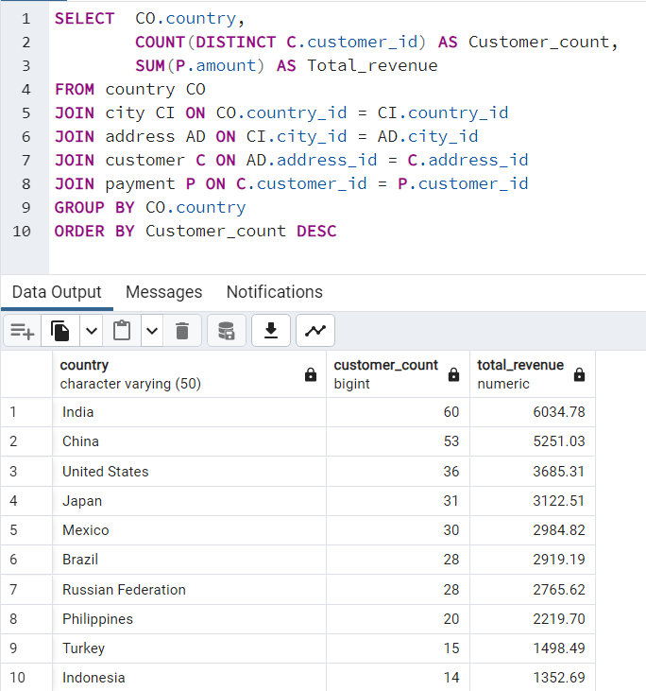
country | customer_count | total_revenue
India | 60 | 6034.78 | SELECT CO.country,
China | 53 | 5251.03 |  | COUNT(DISTINCT C.customer_id) AS Customer_count,
United States | 36 | 3685.31 |  | SUM(P.amount) AS Total_revenue
Japan | 31 | 3122.51 | FROM country CO
Mexico | 30 | 2984.82 | JOIN city CI ON CO.country_id = CI.country_id
Brazil | 28 | 2919.19 | JOIN address AD ON CI.city_id = AD.city_id
Russian Federation | 28 | 2765.62 | JOIN customer C ON AD.address_id = C.address_id
Philippines | 20 | 2219.7 | JOIN payment P ON C.customer_id = P.customer_id
Turkey | 15 | 1498.49 | GROUP BY CO.country
Indonesia | 14 | 1352.69 | ORDER BY Customer_count DESC
Nigeria | 13 | 1314.92
Argentina | 13 | 1298.8
South Africa | 11 | 1069.46
Taiwan | 10 | 1155.1
United Kingdom | 9 | 850.96
Iran | 8 | 877.96
Poland | 8 | 786.16
Italy | 7 | 753.26
Germany | 7 | 741.24
Venezuela | 7 | 632.43
Egypt | 6 | 659.48
Ukraine | 6 | 675.53
Vietnam | 6 | 676.45
Colombia | 6 | 661.54
Spain | 5 | 513.8
Canada | 5 | 559.7
Saudi Arabia | 5 | 452.94
Netherlands | 5 | 557.73
Pakistan | 5 | 473.84
South Korea | 5 | 527.77
Peru | 4 | 407.01
France | 4 | 334.12
Yemen | 4 | 473.93
Israel | 4 | 379.13
Algeria | 3 | 349.18
Switzerland | 3 | 248.41
Tanzania | 3 | 322.22
United Arab Emirates | 3 | 305.25
Morocco | 3 | 274.35
Bangladesh | 3 | 353.19
Chile | 3 | 303.34
Thailand | 3 | 401.08
Malaysia | 3 | 330.23
Austria | 3 | 284.3
Paraguay | 3 | 273.4
Mozambique | 3 | 315.25
Ecuador | 3 | 369.18
Dominican Republic | 3 | 304.26
Sudan | 2 | 202.51
Bolivia | 2 | 178.56
Greece | 2 | 204.54
Belarus | 2 | 271.36
Bulgaria | 2 | 194.52
Yugoslavia | 2 | 233.49
Cambodia | 2 | 179.51
Cameroon | 2 | 186.49
Romania | 2 | 218.42
Puerto Rico | 2 | 224.48
Kazakstan | 2 | 192.51
Kenya | 2 | 245.49
Angola | 2 | 187.55
Latvia | 2 | 249.43
Azerbaijan | 2 | 198.53
Congo, The Democratic Republic of the | 2 | 168.58
Oman | 2 | 161.56
Myanmar | 2 | 179.53
French Polynesia | 2 | 205.52
Zambia | 1 | 121.7
American Samoa | 1 | 47.85
Anguilla | 1 | 99.68
Armenia | 1 | 118.75
Bahrain | 1 | 108.76
Brunei | 1 | 107.66
Chad | 1 | 122.72
Czech Republic | 1 | 132.72
Estonia | 1 | 105.72
Ethiopia | 1 | 91.77
Faroe Islands | 1 | 96.76
Finland | 1 | 78.79
French Guiana | 1 | 97.8
Gambia | 1 | 114.73
Greenland | 1 | 119.72
Holy See (Vatican City State) | 1 | 146.68
Hong Kong | 1 | 104.76
Hungary | 1 | 111.71
Iraq | 1 | 111.73
Kuwait | 1 | 106.75
Liechtenstein | 1 | 99.74
Lithuania | 1 | 63.78
Madagascar | 1 | 92.79
Malawi | 1 | 121.73
Moldova | 1 | 127.66
Nauru | 1 | 143.7
Nepal | 1 | 93.83
New Zealand | 1 | 85.77
North Korea | 1 | 107.71
Runion | 1 | 211.55
Saint Vincent and the Grenadines | 1 | 64.82
Senegal | 1 | 95.76
Slovakia | 1 | 80.77
Sri Lanka | 1 | 103.73
Sweden | 1 | 139.67
Tonga | 1 | 64.84
Tunisia | 1 | 73.78
Turkmenistan | 1 | 126.74
Tuvalu | 1 | 93.78
Virgin Islands, U.S. | 1 | 121.69
Afghanistan | 1 | 67.82

top 10 city bsd on revenue
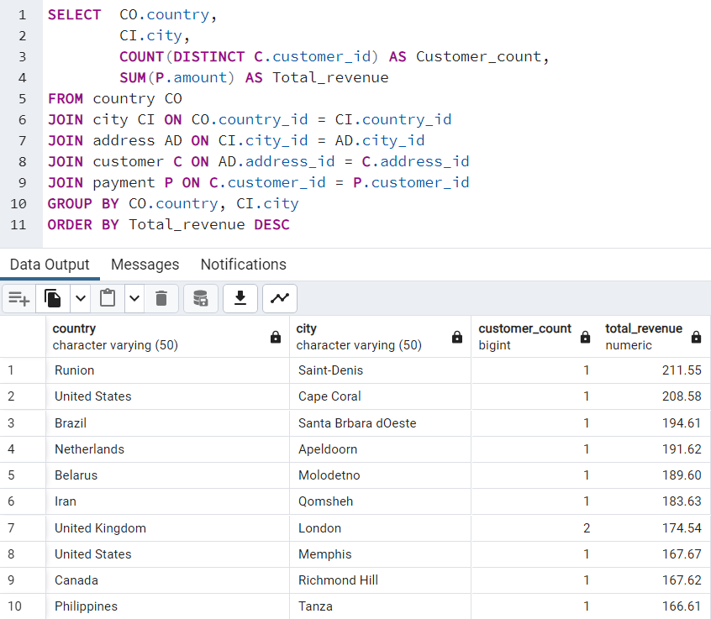
country | city | customer_count | total_revenue
Runion | Saint-Denis | 1 | 211.55
United States | Cape Coral | 1 | 208.58
Brazil | Santa Brbara dOeste | 1 | 194.61
Netherlands | Apeldoorn | 1 | 191.62
Belarus | Molodetno | 1 | 189.6
Iran | Qomsheh | 1 | 183.63
United Kingdom | London | 2 | 174.54
United States | Memphis | 1 | 167.67
Canada | Richmond Hill | 1 | 167.62
Philippines | Tanza | 1 | 166.61
India | Valparai | 1 | 162.67
Philippines | Santa Rosa | 1 | 161.68
United States | Aurora | 2 | 159.58
Spain | Ourense (Orense) | 1 | 158.65
Yemen | Hodeida | 1 | 157.69
Philippines | Tanauan | 1 | 156.66
India | Halisahar | 1 | 154.7
India | Bijapur | 1 | 154.66
Russian Federation | Usolje-Sibirskoje | 1 | 152.69
Indonesia | Probolinggo | 1 | 152.68
Ukraine | Sumy | 1 | 151.73
China | Zhoushan | 1 | 151.69
Algeria | Skikda | 1 | 151.68
Vietnam | Cam Ranh | 1 | 149.69
Taiwan | Changhwa | 1 | 149.61
India | Bhilwara | 1 | 147.71
Holy See (Vatican City State) | Citt del Vaticano | 1 | 146.68
Thailand | Songkhla | 1 | 146.68
Bangladesh | Tangail | 1 | 146.68
China | Fuyu | 1 | 146.67
Russian Federation | Maikop | 1 | 145.7
Turkey | Balikesir | 1 | 145.64
Sudan | Omdurman | 1 | 144.7
Puerto Rico | Arecibo | 1 | 144.68
Taiwan | Hsichuh | 1 | 144.66
Nauru | Yangor | 1 | 143.7
Mexico | Uruapan | 1 | 143.68
Latvia | Daugavpils | 1 | 142.7
Thailand | Nakhon Sawan | 1 | 142.69
China | Lengshuijiang | 1 | 142.67
Mozambique | Beira | 1 | 142.66
Brazil | Vila Velha | 1 | 141.71
India | Rae Bareli | 1 | 141.69
Brazil | Belm | 1 | 140.69
Kenya | Nyeri | 1 | 139.72
Egypt | Shubra al-Khayma | 1 | 139.69
Iran | Najafabad | 1 | 139.69
Sweden | Malm | 1 | 139.67
South Korea | Naju | 1 | 138.69
Japan | Shimonoseki | 1 | 138.65
Colombia | Sincelejo | 1 | 137.72
Nigeria | Ife | 1 | 137.7
Italy | Bergamo | 1 | 137.67
Poland | Wroclaw | 1 | 135.72
Ecuador | Robamba | 1 | 135.7
Taiwan | Fengshan | 1 | 135.68
Brazil | Juiz de Fora | 1 | 134.73
Mexico | Cuauhtmoc | 1 | 134.72
United States | Akron | 1 | 134.71
Yemen | Aden | 1 | 134.7
Colombia | Dos Quebradas | 1 | 134.7
Turkey | Usak | 1 | 134.69
India | Bhopal | 1 | 134.68
Taiwan | Nantou | 1 | 134.65
Philippines | Imus | 1 | 133.72
Japan | Omiya | 1 | 133.71
Turkey | Batman | 1 | 133.7
China | Changzhou | 1 | 133.68
Czech Republic | Olomouc | 1 | 132.72
China | Binzhou | 1 | 132.7
Poland | Tychy | 1 | 132.65
Vietnam | Nam Dinh | 1 | 131.74
Turkey | Osmaniye | 1 | 131.73
South Africa | Boksburg | 1 | 131.69
Russian Federation | Moscow | 1 | 131.69
Greece | Athenai | 1 | 130.76
Mexico | Salamanca | 1 | 130.72
Yugoslavia | Kragujevac | 1 | 130.72
India | Siliguri (Shiliguri) | 1 | 130.7
Turkey | Tokat | 1 | 130.68
Brazil | Boa Vista | 1 | 130.68
United States | Lancaster | 1 | 129.72
Argentina | Avellaneda | 1 | 129.71
Israel | Ashdod | 1 | 129.7
China | Jinchang | 1 | 129.68
China | Yinchuan | 1 | 128.73
Nigeria | Ilorin | 1 | 128.71
China | Qinhuangdao | 1 | 128.71
Mexico | Atlixco | 1 | 128.7
Germany | Mannheim | 1 | 128.69
Italy | Syrakusa | 1 | 127.73
Germany | Erlangen | 1 | 127.73
Japan | Fukuyama | 1 | 127.69
Vietnam | Nha Trang | 1 | 127.69
Moldova | Chisinau | 1 | 127.66
Turkmenistan | Ashgabat | 1 | 126.74
United States | Sterling Heights | 1 | 126.73
Brazil | Blumenau | 1 | 126.73
Canada | Vancouver | 1 | 126.73
Mexico | Huixquilucan | 1 | 126.72
Germany | Duisburg | 1 | 126.7
India | Purnea (Purnia) | 1 | 125.74
Mexico | Coatzacoalcos | 1 | 125.74
Russian Federation | Kolpino | 1 | 125.72
Japan | Urawa | 1 | 125.68
Brazil | Santo Andr | 1 | 125.67
Chile | Antofagasta | 1 | 124.74
Argentina | La Plata | 1 | 124.71
Nigeria | Ikerre | 1 | 124.68
China | Liaocheng | 1 | 124.66
United States | San Bernardino | 1 | 123.74
India | Parbhani | 1 | 123.74
Indonesia | Pontianak | 1 | 123.72
Philippines | Cabuyao | 1 | 123.71
Philippines | Davao | 1 | 123.7
United States | Fontana | 1 | 123.7
Taiwan | Lungtan | 1 | 123.66
Philippines | Ozamis | 1 | 122.74
Brazil | Goinia | 1 | 122.74
Chad | NDjamna | 1 | 122.72
Japan | Kakamigahara | 1 | 122.71
Philippines | Lapu-Lapu | 1 | 122.7
Indonesia | Lhokseumawe | 1 | 122.69
India | Vijayawada | 1 | 121.77
Malawi | Lilongwe | 1 | 121.73
United Kingdom | York | 1 | 121.73
Zambia | Kitwe | 1 | 121.7
Mexico | El Fuerte | 1 | 121.7
Virgin Islands, U.S. | Charlotte Amalie | 1 | 121.69
Egypt | Mit Ghamr | 1 | 120.75
Egypt | Sawhaj | 1 | 120.74
Russian Federation | Kirovo-Tepetsk | 1 | 120.74
Italy | Brindisi | 1 | 120.71
Peru | Lima | 1 | 120.7
India | Mysore | 1 | 119.76
China | Emeishan | 1 | 119.75
Russian Federation | Pjatigorsk | 1 | 119.74
Greenland | Nuuk | 1 | 119.72
Malaysia | Sungai Petani | 1 | 119.72
Ukraine | Simferopol | 1 | 118.76
Armenia | Yerevan | 1 | 118.75
Ecuador | Loja | 1 | 118.75
Peru | Hunuco | 1 | 118.73
Poland | Jastrzebie-Zdrj | 1 | 118.7
France | Toulouse | 1 | 118.7
Romania | Botosani | 1 | 118.69
United Kingdom | Southampton | 1 | 117.77
Japan | Otsu | 1 | 117.77
Argentina | Quilmes | 1 | 117.76
United States | Joliet | 1 | 117.75
India | Pudukkottai | 1 | 117.75
Kazakstan | Zhezqazghan | 1 | 117.72
Saudi Arabia | Jedda | 1 | 116.76
United States | Brockton | 1 | 116.75
Japan | Miyakonojo | 1 | 116.74
Philippines | Mandaluyong | 1 | 116.73
India | Karnal | 1 | 116.73
Philippines | Baybay | 1 | 116.72
India | Satna | 1 | 116.71
French Polynesia | Papeete | 1 | 115.74
India | Bhimavaram | 1 | 115.72
Russian Federation | Korolev | 1 | 115.71
United States | Greensboro | 1 | 115.7
Iran | Tabriz | 1 | 114.76
Japan | Iwakuni | 1 | 114.74
Gambia | Banjul | 1 | 114.73
Ecuador | Portoviejo | 1 | 114.73
Argentina | Merlo | 1 | 114.72
Philippines | Cavite | 1 | 114.72
Japan | Sasebo | 1 | 114.7
Mozambique | Naala-Porto | 1 | 113.77
Italy | Brescia | 1 | 113.75
Austria | Salzburg | 1 | 113.74
China | Tiefa | 1 | 113.74
China | Leshan | 1 | 113.73
Taiwan | Touliu | 1 | 113.73
Pakistan | Dadu | 1 | 113.72
Brazil | Sorocaba | 1 | 113.71
China | Datong | 1 | 113.7
Mexico | Huejutla de Reyes | 1 | 112.76
Bulgaria | Ruse | 1 | 112.76
United States | Lincoln | 1 | 112.75
India | Jhansi | 1 | 112.74
Ukraine | Mukateve | 1 | 112.73
China | Shaoguan | 1 | 112.72
Venezuela | Maracabo | 1 | 111.77
Japan | Onomichi | 1 | 111.76
India | Ambattur | 1 | 111.76
Taiwan | Tanshui | 1 | 111.74
Austria | Graz | 1 | 111.73
Iraq | Mosul | 1 | 111.73
Venezuela | Cuman | 1 | 111.73
Hungary | Szkesfehrvr | 1 | 111.71
Thailand | Pak Kret | 1 | 111.71
India | Haldia | 1 | 111.71
Japan | Kuwana | 1 | 110.77
Dominican Republic | Santiago de los Caballeros | 1 | 110.76
China | Baiyin | 1 | 110.76
Chile | Coquimbo | 1 | 110.74
China | Yuncheng | 1 | 110.73
Yemen | Taizz | 1 | 110.73
China | Meixian | 1 | 110.72
Egypt | Bilbays | 1 | 110.72
China | Jinzhou | 1 | 110.71
China | Xiangfan | 1 | 110.68
India | Udaipur | 1 | 109.77
South Korea | Tonghae | 1 | 109.77
Mexico | Cuernavaca | 1 | 109.76
United Kingdom | Southend-on-Sea | 1 | 109.75
Tanzania | Zanzibar | 1 | 109.75
China | Baicheng | 1 | 109.73
Russian Federation | Kurgan | 1 | 109.73
Russian Federation | Nabereznyje Telny | 1 | 109.73
Tanzania | Mwanza | 1 | 109.72
India | Uluberia | 1 | 109.72
Ukraine | Kamjanets-Podilskyi | 1 | 109.72
China | Shanwei | 1 | 109.71
Nigeria | Benin City | 1 | 108.78
China | Jining | 1 | 108.77
Bahrain | al-Manama | 1 | 108.76
Nigeria | Ogbomosho | 1 | 108.76
Azerbaijan | Sumqayit | 1 | 108.75
Turkey | Sivas | 1 | 108.75
Japan | Akishima | 1 | 108.73
Indonesia | Ciomas | 1 | 108.72
India | Chandrapur | 1 | 108.71
Spain | Donostia-San Sebastin | 1 | 107.79
Poland | Plock | 1 | 107.78
Brazil | Guaruj | 1 | 107.77
Bangladesh | Dhaka | 1 | 107.74
South Africa | Soshanguve | 1 | 107.73
Algeria | Batna | 1 | 107.73
China | Weifang | 1 | 107.73
North Korea | Pyongyang | 1 | 107.71
Brazil | Poos de Caldas | 1 | 107.7
Dominican Republic | San Felipe de Puerto Plata | 1 | 107.7
Brunei | Bandar Seri Begawan | 1 | 107.66
United Kingdom | Stockport | 1 | 106.79
Mexico | Mexicali | 1 | 106.77
Japan | Iwaki | 1 | 106.77
Switzerland | Bern | 1 | 106.76
Kuwait | Jalib al-Shuyukh | 1 | 106.75
South Africa | Johannesburg | 1 | 106.74
Indonesia | Pemalang | 1 | 106.74
Russian Federation | Ljubertsy | 1 | 106.73
United States | Rockford | 1 | 106.73
Latvia | Liepaja | 1 | 106.73
Spain | A Corua (La Corua) | 1 | 106.72
China | Hohhot | 1 | 106.68
Colombia | Sogamoso | 1 | 105.78
Argentina | Santa F | 1 | 105.78
Russian Federation | Smolensk | 1 | 105.78
Kenya | Kisumu | 1 | 105.77
United States | Dayton | 1 | 105.77
United States | Dallas | 1 | 105.76
Malaysia | Kuching | 1 | 105.76
Morocco | Nador | 1 | 105.74
Japan | Iwatsuki | 1 | 105.74
United States | Augusta-Richmond County | 1 | 105.73
Estonia | Tartu | 1 | 105.72
India | Munger (Monghyr) | 1 | 105.7
Paraguay | San Lorenzo | 1 | 104.79
Turkey | Sultanbeyli | 1 | 104.78
Hong Kong | Kowloon and New Kowloon | 1 | 104.76
Malaysia | Ipoh | 1 | 104.75
India | Etawah | 1 | 104.75
South Africa | Rustenburg | 1 | 104.74
India | Kamarhati | 1 | 104.74
Pakistan | Shikarpur | 1 | 104.73
Russian Federation | Atinsk | 1 | 104.72
China | Tongliao | 1 | 104.71
Netherlands | Ede | 1 | 103.78
India | Patiala | 1 | 103.77
Nigeria | Owo | 1 | 103.77
India | Bhusawal | 1 | 103.74
South Korea | Uijongbu | 1 | 103.74
United States | Sunnyvale | 1 | 103.74
Pakistan | Mardan | 1 | 103.73
Sri Lanka | Jaffna | 1 | 103.73
United Arab Emirates | Sharja | 1 | 102.78
Yugoslavia | Novi Sad | 1 | 102.77
Russian Federation | Kamyin | 1 | 102.77
Mexico | Celaya | 1 | 102.76
United Arab Emirates | al-Ayn | 1 | 102.76
Tanzania | Tabora | 1 | 102.75
Brazil | Po | 1 | 102.75
Russian Federation | Lipetsk | 1 | 101.79
China | Dongying | 1 | 101.78
Russian Federation | Jelets | 1 | 101.77
United States | Garden Grove | 1 | 101.76
Argentina | Tandil | 1 | 101.7
Mexico | Acua | 1 | 100.77
Taiwan | Chungho | 1 | 100.76
Poland | Czestochowa | 1 | 100.76
Germany | Halle/Saale | 1 | 100.75
Argentina | Vicente Lpez | 1 | 100.75
India | Pune | 1 | 100.72
Japan | Isesaki | 1 | 99.78
Japan | Sagamihara | 1 | 99.77
India | Ahmadnagar | 1 | 99.74
Liechtenstein | Vaduz | 1 | 99.74
Romania | Bucuresti | 1 | 99.73
Japan | Ueda | 1 | 99.72
United Arab Emirates | Abu Dhabi | 1 | 99.71
Anguilla | South Hill | 1 | 99.68
South Africa | Kimberley | 1 | 98.82
Bangladesh | Jamalpur | 1 | 98.77
India | Allappuzha (Alleppey) | 1 | 98.76
Brazil | Vitria de Santo Anto | 1 | 98.75
Mexico | San Juan Bautista Tuxtepec | 1 | 98.75
Japan | Higashiosaka | 1 | 98.75
Philippines | Iligan | 1 | 98.74
India | Adoni | 1 | 97.8
French Guiana | Cayenne | 1 | 97.8
Colombia | Florencia | 1 | 97.79
Ukraine | ostka | 1 | 97.78
India | Firozabad | 1 | 97.78
Nigeria | Sokoto | 1 | 97.78
Nigeria | Deba Habe | 1 | 97.78
India | Varanasi (Benares) | 1 | 97.77
Myanmar | Monywa | 1 | 97.75
Mexico | Jos Azueta | 1 | 97.75
India | Palghat (Palakkad) | 1 | 96.79
United States | Salinas | 1 | 96.79
India | Bhavnagar | 1 | 96.79
Cameroon | Bamenda | 1 | 96.78
South Africa | Springs | 1 | 96.78
Mexico | Allende | 1 | 96.77
United States | Citrus Heights | 1 | 96.77
Faroe Islands | Trshavn | 1 | 96.76
Nigeria | Effon-Alaiye | 1 | 96.76
Argentina | Escobar | 1 | 96.76
Indonesia | Madiun | 1 | 96.75
China | Laohekou | 1 | 96.75
Brazil | Rio Claro | 1 | 96.74
India | Rajkot | 1 | 95.8
Russian Federation | Ivanovo | 1 | 95.79
Mexico | Carmen | 1 | 95.79
Italy | Livorno | 1 | 95.78
Mexico | La Paz | 1 | 95.78
Colombia | Pereira | 1 | 95.78
China | Yuzhou | 1 | 95.78
Vietnam | Haiphong | 1 | 95.76
China | Xinxiang | 1 | 95.76
Senegal | Ziguinchor | 1 | 95.76
South Africa | Botshabelo | 1 | 95.72
Morocco | Sal | 1 | 94.81
Mexico | Hidalgo | 1 | 94.78
India | Shivapuri | 1 | 94.78
United States | Warren | 1 | 94.77
Iran | Esfahan | 1 | 94.76
Israel | Tel Aviv-Jaffa | 1 | 94.76
Indonesia | Jakarta | 1 | 94.76
China | Sanya | 1 | 94.76
Venezuela | Caracas | 1 | 94.75
Nepal | Birgunj | 1 | 93.83
Angola | Benguela | 1 | 93.8
South Africa | Newcastle | 1 | 93.8
Brazil | So Leopoldo | 1 | 93.79
Mexico | San Felipe del Progreso | 1 | 93.79
Tuvalu | Funafuti | 1 | 93.78
India | Rampur | 1 | 93.78
Japan | Tama | 1 | 93.76
Brazil | Anpolis | 1 | 93.75
Angola | Namibe | 1 | 93.75
India | Yamuna Nagar | 1 | 93.74
Iran | Kermanshah | 1 | 93.74
Brazil | Juazeiro do Norte | 1 | 92.81
Brazil | So Bernardo do Campo | 1 | 92.8
Brazil | Angra dos Reis | 1 | 92.8
Madagascar | Mahajanga | 1 | 92.79
Japan | Okinawa | 1 | 92.79
Bolivia | Sucre | 1 | 92.78
China | Suihua | 1 | 92.78
Cambodia | Battambang | 1 | 92.76
United States | Compton | 1 | 92.76
United States | Peoria | 1 | 92.75
Netherlands | Emmen | 1 | 92.75
Philippines | Bayugan | 1 | 92.75
Japan | Okayama | 1 | 91.81
Philippines | Talavera | 1 | 91.81
United States | Bellevue | 1 | 91.8
China | Nanyang | 1 | 91.79
Germany | Witten | 1 | 91.78
Saudi Arabia | al-Qatif | 1 | 91.78
Ethiopia | Addis Abeba | 1 | 91.77
Mexico | Monclova | 1 | 91.75
Mexico | Cuautla | 1 | 91.75
China | Daxian | 1 | 91.7
Philippines | Tuguegarao | 1 | 90.78
Brazil | Aparecida de Goinia | 1 | 90.78
South Korea | Kimchon | 1 | 90.77
Iran | Arak | 1 | 90.75
Philippines | Gingoog | 1 | 90.73
China | Haining | 1 | 89.8
French Polynesia | Faaa | 1 | 89.78
Mexico | Guadalajara | 1 | 89.78
Taiwan | Chiayi | 1 | 89.78
Azerbaijan | Baku | 1 | 89.78
Nigeria | Ondo | 1 | 89.77
Algeria | Bchar | 1 | 89.77
Colombia | Buenaventura | 1 | 89.77
Egypt | Idfu | 1 | 89.77
Turkey | Eskisehir | 1 | 89.77
Japan | Kurashiki | 1 | 89.76
Canada | Halifax | 1 | 89.76
Cameroon | Yaound | 1 | 89.71
China | Tianjin | 1 | 88.81
Mexico | Coacalco de Berriozbal | 1 | 88.81
Congo, The Democratic Republic of the | Mwene-Ditu | 1 | 88.8
Italy | Alessandria | 1 | 88.8
Netherlands | Amersfoort | 1 | 88.78
India | Jaipur | 1 | 88.78
India | Uttarpara-Kotrung | 1 | 88.77
Japan | Nagareyama | 1 | 88.76
Mexico | Torren | 1 | 88.75
Philippines | Taguig | 1 | 88.73
Russian Federation | Elista | 1 | 87.82
Indonesia | Gorontalo | 1 | 87.81
Canada | Gatineau | 1 | 87.8
Vietnam | Vinh | 1 | 87.8
Japan | Kanazawa | 1 | 87.8
United States | Arlington | 1 | 87.8
Paraguay | Asuncin | 1 | 87.79
Canada | Oshawa | 1 | 87.79
Brazil | guas Lindas de Gois | 1 | 87.78
Russian Federation | Zeleznogorsk | 1 | 87.77
Peru | Sullana | 1 | 87.77
India | Chapra | 1 | 86.82
Israel | Ashqelon | 1 | 86.81
Poland | Lublin | 1 | 86.81
Germany | Siegen | 1 | 86.81
India | Shimoga | 1 | 86.81
China | Xiangtan | 1 | 86.8
China | Pingxiang | 1 | 86.8
India | Sambhal | 1 | 86.79
Saudi Arabia | Abha | 1 | 86.77
Nigeria | Zaria | 1 | 86.77
India | Katihar | 1 | 86.76
United States | Garland | 1 | 86.75
Cambodia | Phnom Penh | 1 | 86.75
India | Balurghat | 1 | 86.75
Mexico | Nezahualcyotl | 1 | 86.73
Dominican Republic | La Romana | 1 | 85.8
Russian Federation | Serpuhov | 1 | 85.8
Bolivia | El Alto | 1 | 85.78
Argentina | Almirante Brown | 1 | 85.78
United States | Manchester | 1 | 85.78
New Zealand | Hamilton | 1 | 85.77
Argentina | Crdoba | 1 | 85.77
Brazil | Araatuba | 1 | 85.77
Indonesia | Surakarta | 1 | 85.75
Indonesia | Pangkal Pinang | 1 | 84.84
Ukraine | Konotop | 1 | 84.81
Russian Federation | Balaiha | 1 | 84.81
Venezuela | Valencia | 1 | 84.8
South Korea | Cheju | 1 | 84.8
Japan | Hiroshima | 1 | 84.79
United States | Laredo | 1 | 84.75
United States | Clarksville | 1 | 83.82
Turkey | Gaziantep | 1 | 83.81
Turkey | Kilis | 1 | 83.8
India | Dhule (Dhulia) | 1 | 83.79
Switzerland | Lausanne | 1 | 83.78
Vietnam | Hanoi | 1 | 83.77
China | Rizhao | 1 | 82.81
China | Xintai | 1 | 82.78
Oman | Salala | 1 | 82.76
Turkey | Denizli | 1 | 81.83
Indonesia | Purwakarta | 1 | 81.83
Venezuela | Ocumare del Tuy | 1 | 81.81
United States | Kansas City | 1 | 81.81
Argentina | Baha Blanca | 1 | 81.81
Saudi Arabia | Tabuk | 1 | 81.8
China | Hami | 1 | 81.8
Myanmar | Myingyan | 1 | 81.78
India | Amroha | 1 | 81.78
Belarus | Mogiljov | 1 | 81.76
Bulgaria | Stara Zagora | 1 | 81.76
China | Laiwu | 1 | 81.75
Russian Federation | Kursk | 1 | 80.85
Iran | Sirjan | 1 | 80.83
Paraguay | Ciudad del Este | 1 | 80.82
India | Miraj | 1 | 80.81
Netherlands | s-Hertogenbosch | 1 | 80.8
Venezuela | Valle de la Pascua | 1 | 80.78
India | Tambaram | 1 | 80.78
Slovakia | Bratislava | 1 | 80.77
China | Yingkou | 1 | 80.77
South Africa | Klerksdorp | 1 | 79.81
Peru | Callao | 1 | 79.81
Puerto Rico | Ponce | 1 | 79.8
Iran | Shahr-e Kord | 1 | 79.8
Congo, The Democratic Republic of the | Lubumbashi | 1 | 79.78
Japan | Izumisano | 1 | 79.75
Japan | Tsuyama | 1 | 78.84
China | Tieli | 1 | 78.82
Nigeria | Kaduna | 1 | 78.81
South Africa | Paarl | 1 | 78.8
Oman | Masqat | 1 | 78.8
Finland | Oulu | 1 | 78.79
...

top 10 city of top 10 country b
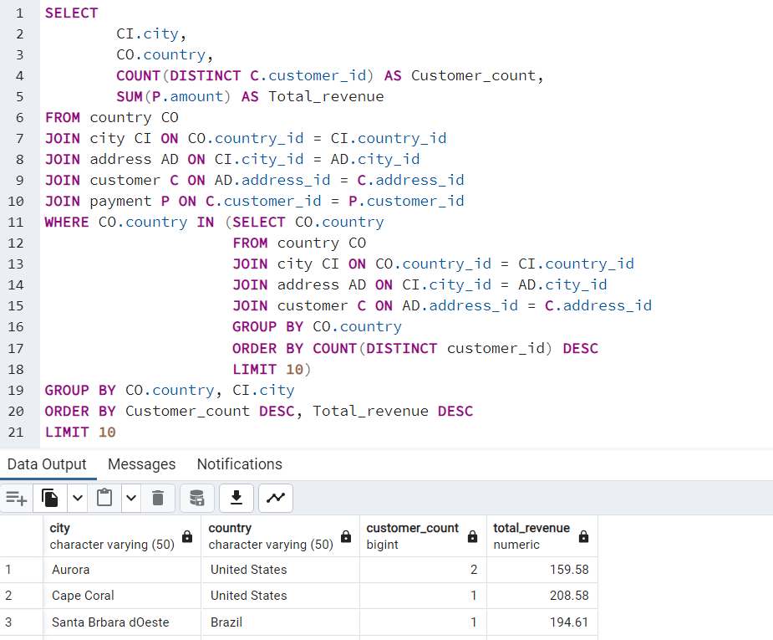
city | country | customer_count | total_revenue
Aurora | United States | 2 | 159.58 | SELECT
Cape Coral | United States | 1 | 208.58 |  | CI.city,
Santa Brbara dOeste | Brazil | 1 | 194.61 |  | CO.country,
Memphis | United States | 1 | 167.67 |  | COUNT(DISTINCT C.customer_id) AS Customer_count,
Tanza | Philippines | 1 | 166.61 |  | SUM(P.amount) AS Total_revenue
Valparai | India | 1 | 162.67 | FROM country CO
Santa Rosa | Philippines | 1 | 161.68 | JOIN city CI ON CO.country_id = CI.country_id
Tanauan | Philippines | 1 | 156.66 | JOIN address AD ON CI.city_id = AD.city_id
Halisahar | India | 1 | 154.7 | JOIN customer C ON AD.address_id = C.address_id
Bijapur | India | 1 | 154.66 | JOIN payment P ON C.customer_id = P.customer_id
 |  |  |  | WHERE CO.country IN |  | (SELECT CO.country
 |  |  |  |  |  | FROM country CO
 |  |  |  |  |  | JOIN city CI ON CO.country_id = CI.country_id
 |  |  |  |  |  | JOIN address AD ON CI.city_id = AD.city_id
 |  |  |  |  |  | JOIN customer C ON AD.address_id = C.address_id
 |  |  |  |  |  | GROUP BY CO.country
 |  |  |  |  |  | ORDER BY COUNT(DISTINCT customer_id) DESC
 |  |  |  |  |  | LIMIT 10)
 |  |  |  | GROUP BY CO.country, CI.city
 |  |  |  | ORDER BY Customer_count DESC, Total_revenue DESC
 |  |  |  | LIMIT 10

Top 5 customer in top 10 city b
customer_id | first_name | last_name | country | city | total_revenue
526 | Karl | Seal | United States | Cape Coral | 208.58 | SELECT | C.customer_id,
178 | Marion | Snyder | Brazil | Santa Brbara dOeste | 194.61 |  | C.first_name,
181 | Ana | Bradley | United States | Memphis | 167.67 |  | C.last_name,
236 | Marcia | Dean | Philippines | Tanza | 166.61 |  | CO.country,
403 | Mike | Way | India | Valparai | 162.67 |  | CI.city,
 |  |  |  |  |  |  | SUM(P.amount) AS Total_revenue
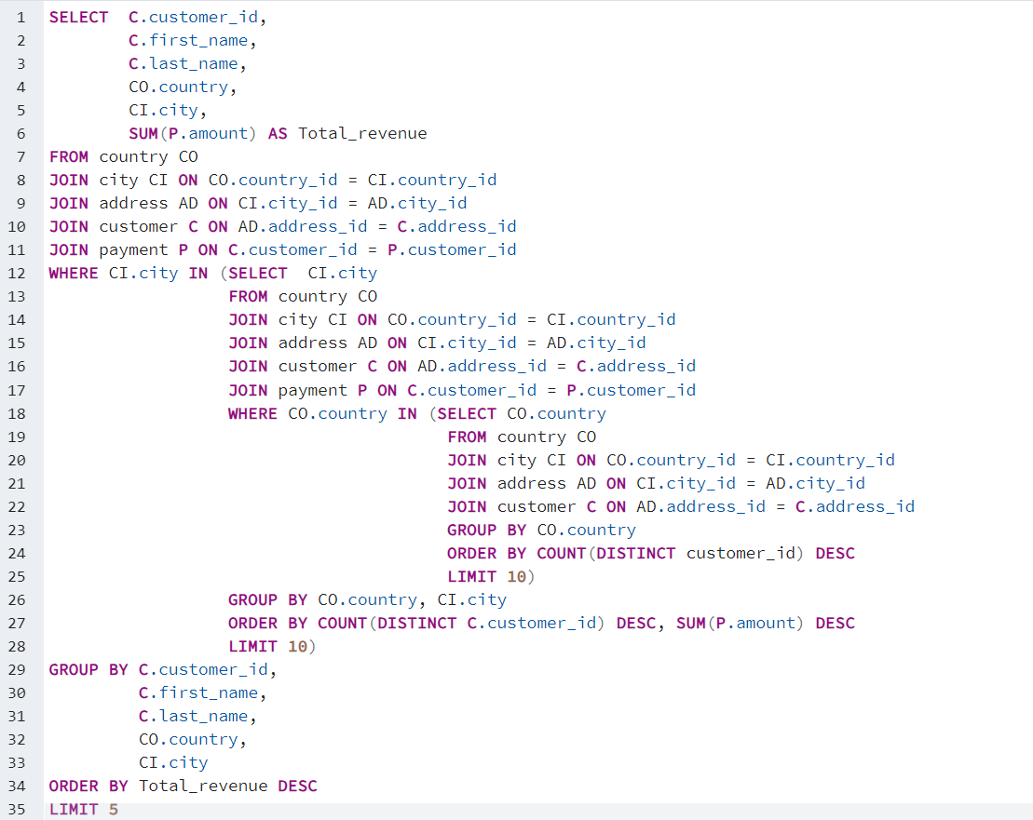
 |  |  |  |  |  | FROM country CO
 |  |  |  |  |  | JOIN city CI ON CO.country_id = CI.country_id
 |  |  |  |  |  | JOIN address AD ON CI.city_id = AD.city_id
 |  |  |  |  |  | JOIN customer C ON AD.address_id = C.address_id
 |  |  |  |  |  | JOIN payment P ON C.customer_id = P.customer_id
 |  |  |  |  |  | WHERE CI.city IN |  | (SELECT CI.city
 |  |  |  |  |  |  |  | FROM country CO
 |  |  |  |  |  |  |  | JOIN city CI ON CO.country_id = CI.country_id
 |  |  |  |  |  |  |  | JOIN address AD ON CI.city_id = AD.city_id
 |  |  |  |  |  |  |  | JOIN customer C ON AD.address_id = C.address_id
 |  |  |  |  |  |  |  | JOIN payment P ON C.customer_id = P.customer_id
 |  |  |  |  |  |  |  | WHERE CO.country IN
...
 |  |  |  |  |  |  |  | GROUP BY CO.country, CI.city
 |  |  |  |  |  |  |  | ORDER BY COUNT(DISTINCT C.customer_id) DESC, SUM(P.amount) DESC
 |  |  |  |  |  |  |  | LIMIT 10)
 |  |  |  |  |  | GROUP BY C.customer_id,
 |  |  |  |  |  |  | C.first_name,
 |  |  |  |  |  |  | C.last_name,
 |  |  |  |  |  |  | CO.country,
 |  |  |  |  |  |  | CI.city
 |  |  |  |  |  | ORDER BY Total_revenue DESC
 |  |  |  |  |  | LIMIT 5

best customers bsd on revenue
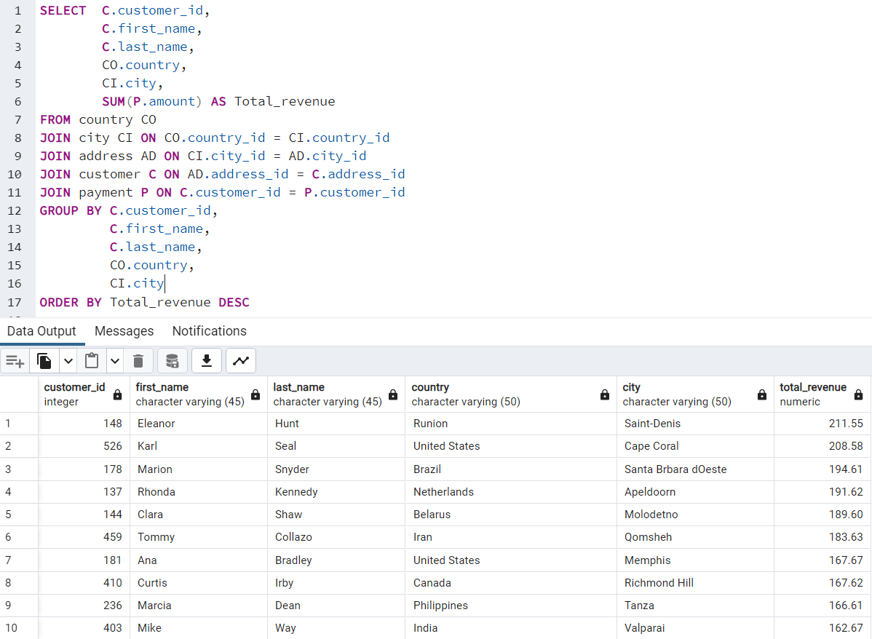
first_name | last_name | country | city | total_revenue
Eleanor | Hunt | Runion | Saint-Denis | 211.55
Karl | Seal | United States | Cape Coral | 208.58
Marion | Snyder | Brazil | Santa Brbara dOeste | 194.61
Rhonda | Kennedy | Netherlands | Apeldoorn | 191.62
Clara | Shaw | Belarus | Molodetno | 189.6
Tommy | Collazo | Iran | Qomsheh | 183.63
Ana | Bradley | United States | Memphis | 167.67
Curtis | Irby | Canada | Richmond Hill | 167.62
Marcia | Dean | Philippines | Tanza | 166.61
Mike | Way | India | Valparai | 162.67
Arnold | Havens | Philippines | Santa Rosa | 161.68
Wesley | Bull | Spain | Ourense (Orense) | 158.65
Gordon | Allard | Yemen | Hodeida | 157.69
Louis | Leone | Philippines | Tanauan | 156.66
Lena | Jensen | India | Halisahar | 154.7
Tim | Cary | India | Bijapur | 154.66
Warren | Sherrod | Russian Federation | Usolje-Sibirskoje | 152.69
Steve | Mackenzie | Indonesia | Probolinggo | 152.68
Brittany | Riley | Ukraine | Sumy | 151.73
Guy | Brownlee | China | Zhoushan | 151.69
June | Carroll | Algeria | Skikda | 151.68
Neil | Renner | Vietnam | Cam Ranh | 149.69
Tammy | Sanders | Taiwan | Changhwa | 149.61
Tonya | Chapman | India | Bhilwara | 147.71
Jacqueline | Long | Thailand | Songkhla | 146.68
Michelle | Clark | Bangladesh | Tangail | 146.68
Jessica | Hall | Holy See (Vatican City State) | Citt del Vaticano | 146.68
Stacey | Montgomery | China | Fuyu | 146.67
Arthur | Simpkins | Russian Federation | Maikop | 145.7
Brandon | Huey | Turkey | Balikesir | 145.64
Diane | Collins | Sudan | Omdurman | 144.7
Ralph | Madrigal | Puerto Rico | Arecibo | 144.68
Roger | Quintanilla | Taiwan | Hsichuh | 144.66
Duane | Tubbs | Nauru | Yangor | 143.7
Alex | Gresham | Mexico | Uruapan | 143.68
Ryan | Salisbury | Latvia | Daugavpils | 142.7
Shawn | Heaton | Thailand | Nakhon Sawan | 142.69
Margie | Wade | China | Lengshuijiang | 142.67
Marsha | Douglas | Mozambique | Beira | 142.66
Debra | Nelson | Brazil | Vila Velha | 141.71
Lori | Wood | India | Rae Bareli | 141.69
Nicholas | Barfield | Brazil | Belm | 140.69
Roy | Whiting | Kenya | Nyeri | 139.72
Harry | Arce | Iran | Najafabad | 139.69
Sherry | Marshall | Egypt | Shubra al-Khayma | 139.69
Janice | Ward | Sweden | Malm | 139.67
...

Country and City with rating &
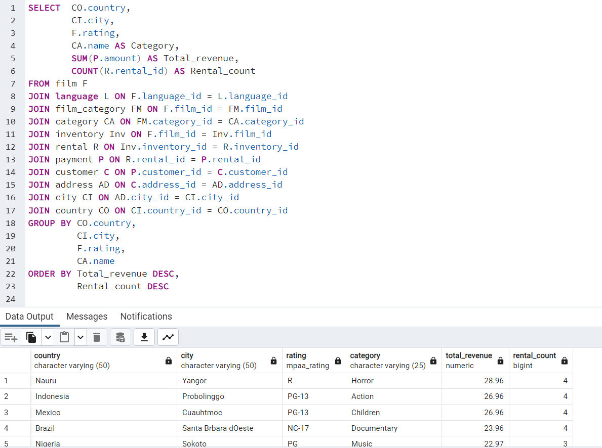
city | rating | category | total_revenue | rental_count
Yangor | R | Horror | 28.96 | 4
Probolinggo | PG-13 | Action | 26.96 | 4
Cuauhtmoc | PG-13 | Children | 26.96 | 4
Santa Brbara dOeste | NC-17 | Documentary | 23.96 | 4
Sokoto | PG | Music | 22.97 | 3
Robamba | R | Sports | 22.96 | 4
al-Qatif | PG | Sci-Fi | 21.97 | 3
Pangkal Pinang | PG | Music | 20.98 | 2
Charlotte Amalie | NC-17 | Animation | 20.97 | 3
Nam Dinh | NC-17 | Music | 20.96 | 4
Cape Coral | NC-17 | Animation | 20.95 | 5
Osmaniye | PG-13 | Animation | 19.98 | 2
Batna | NC-17 | Comedy | 19.98 | 2
Shimonoseki | PG-13 | Drama | 19.97 | 3
Nyeri | PG-13 | Action | 19.97 | 3
Cabuyao | NC-17 | Sports | 19.97 | 3
La Paz | R | Documentary | 19.97 | 3
Sasebo | PG | Comedy | 19.96 | 4
Fengshan | R | Animation | 19.96 | 3
So Leopoldo | PG | Horror | 18.98 | 2
Dos Quebradas | R | Action | 18.97 | 3
San Felipe del Progreso | G | Action | 18.97 | 3
Otsu | PG-13 | Sci-Fi | 18.97 | 3
Ponce | PG | Foreign | 18.97 | 3
Athenai | R | Sci-Fi | 18.97 | 3
Ashdod | R | Sci-Fi | 18.97 | 3
London | NC-17 | Drama | 18.96 | 4
Kowloon and New Kowloon | PG-13 | Games | 17.98 | 2
Witten | PG | Horror | 17.98 | 2
Hodeida | PG | Sci-Fi | 17.98 | 2
Saint-Denis | R | Action | 17.98 | 2
Almirante Brown | PG-13 | Sports | 17.98 | 2
Lincoln | G | New | 17.98 | 2
Gandhinagar | R | Foreign | 17.97 | 3
Nakhon Sawan | NC-17 | Music | 17.97 | 3
Halle/Saale | PG-13 | Sci-Fi | 17.97 | 3
Mit Ghamr | R | Sports | 17.97 | 3
Konotop | NC-17 | Family | 17.96 | 4
Chisinau | PG-13 | Classics | 17.96 | 4
Rockford | NC-17 | Sports | 17.96 | 3
Bijapur | PG-13 | Sci-Fi | 16.98 | 2
Boa Vista | PG-13 | Comedy | 16.98 | 2
Goinia | G | Horror | 16.98 | 2
Datong | NC-17 | New | 16.98 | 2
Yamuna Nagar | PG | Drama | 16.98 | 2
Syrakusa | PG | Animation | 16.98 | 2
Ibirit | NC-17 | Sports | 16.98 | 2
...

